#1CH modbus
address | name | 설명 | Unit | TYPE | Word Count | Item Count
Metering |  |  |  |  |  |  | 구현
0 | Time Stamp |  |  | UTC | 2 | 1
2 | Frequency | Line Frequency | Hz | float | 2 | 1 | O
4 | Internal Temp |  | ℃ | float | 2 | 1
6 | U1 | #1 Phase Voltage | V | float | 2 | 1 | O
8 | U2 | #2 Phase Voltage |  | float | 2 | 1 | O
10 | U3 | #3 Phase Voltage |  | float | 2 | 1 | O
12 | U~ | Phase Voltage Average |  | float | 2 | 1 | O
14 | U12 | 1-2 Line Voltage |  | float | 2 | 1 | O
16 | U23 | 2-3 Line Voltage |  | float | 2 | 1 | O
18 | U31 | 3-1 Line Voltage |  | float | 2 | 1 | O
20 | Upp~ | Line Voltage Average |  | float | 2 | 1 | O
22 | Uunbalance2 |  | % | float | 2 | 1 | O | Uu=neg/pos*100
24 | Uunbalance0 |  |  | float | 2 | 1 | O | Uo=zero/pos*100
26 | U Zero Sequence Mag. |  |  | float | 2 | 1
28 | U Zero Sequence angle |  |  | float | 2 | 1
30 | U Positive Sequence Mag. |  |  | float | 2 | 1
32 | U Positive Sequence angle |  |  | float | 2 | 1
34 | U Negative Sequence Mag |  |  | float | 2 | 1
36 | U Negative Sequence angle |  |  | float | 2 | 1
38 | Angle U1 |  |  | float | 2 | 1 |  | Uab
40 | Angle U2 |  |  | float | 2 | 1 |  | Ubc
42 | Angle U3 |  |  | float | 2 | 1 |  | Uac
44 | U Underdeviation L1 |  | % | float | 2 | 1
46 | U Underdeviation L2 |  | % | float | 2 | 1
48 | U Underdeviation L3 |  | % | float | 2 | 1
50 | U Overdeviation L1 |  | % | float | 2 | 1 | O
52 | U Overdeviation L2 |  | % | float | 2 | 1 | O
54 | U Overdeviation L3 |  | % | float | 2 | 1 | O
56 | Uunbalance (Nema) |  |  | float | 2 | 1
58 |  |  |  | float | 2 | 1
60 | I1 | #1 Phase Current | A | float | 2 | 1 | O
62 | I2 | #2 Phase Current |  | float | 2 | 1 | O
64 | I3 | #3 Phase Current |  | float | 2 | 1 | O
66 | I~ |  |  | float | 2 | 1 | O
68 | I total (I1+I2+I3) |  |  | float | 2 | 1 | O
70 | In(Measured) |  |  | float | 2 | 1 | O | 1. 5A: -3P4W(In) -3P3W(Ig), 2. AT/VT: Ig로 사용
72 | In(Calculated) | Ia+Ib+Ic+In = Ig |  | float | 2 | 1 | O | 1. 5A: -3P4W(Ig=Ia+Ib+Ic+In), -3P3W(Ig=Ia+Ib+Ic), 2. AT/VT: 5A와 동일
74 | Ig |  |  | float | 2 | 1 | O
76 | I Zero Sequence Mag |  |  | float | 2 | 1
78 | I Zero Sequence angle |  |  | float | 2 | 1
80 | I Positive Sequence Mag. |  |  | float | 2 | 1
82 | I Positive Sequence angle |  |  | float | 2 | 1
84 | I Negative Sequence Mag. |  |  | float | 2 | 1
86 | I Negative Sequence angle |  |  | float | 2 | 1
88 | Angle I1 |  |  | float | 2 | 1 | O | Iab
90 | Angle I2 |  |  | float | 2 | 1 | O | Ibc
92 | Angle I3 |  |  | float | 2 | 1 | O | Iac
94 | Iunbalance2 |  | % | float | 2 | 1
96 | Iunbalance0 |  |  | float | 2 | 1
98 | Iunbalance (Nema) |  |  | float | 2 | 1
100 | P1 | Active Power P1 | W | float | 2 | 1 | O
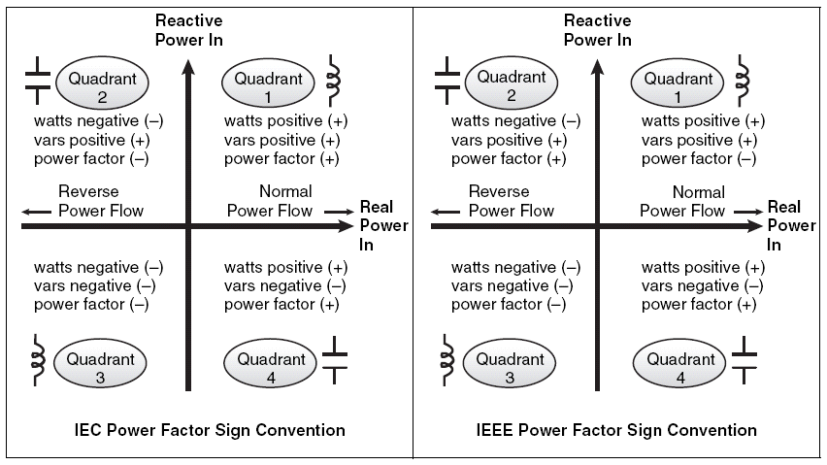
102 | P2 | Active Power P2 |  | float | 2 | 1 | O
104 | P3 | Active Power P3 |  | float | 2 | 1 | O
106 | P total | Active Power P-total |  | float | 2 | 1 | O
108 | fP1 |  |  | float | 2 | 1 | O
110 | fP2 |  |  | float | 2 | 1 | O
112 | fP3 |  |  | float | 2 | 1 | O
114 | fP total |  |  | float | 2 | 1 | O
116 | Q1 | Reactive Power Q1 | VAR | float | 2 | 1 | O
118 | Q2 | Reactive Power Q2 |  | float | 2 | 1 | O
120 | Q3 | Reactive Power Q3 |  | float | 2 | 1 | O
122 | Q total | Reactive Power Q-total |  | float | 2 | 1 | O
124 | fQ1 |  |  | float | 2 | 1 | O
126 | fQ2 |  |  | float | 2 | 1 | O
128 | fQ3 |  |  | float | 2 | 1 | O
130 | fQ total |  |  | float | 2 | 1 | O
132 | S1 | Apparent Power S1 | VA | float | 2 | 1 | O
134 | S2 | Apparent Power S2 |  | float | 2 | 1 | O
136 | S3 | Apparent Power S3 |  | float | 2 | 1 | O
138 | S total | Apparent Power S-total |  | float | 2 | 1 | O
140 | fS1 |  |  | float | 2 | 1 | O
142 | fS2 |  |  | float | 2 | 1 | O
144 | fS3 |  |  | float | 2 | 1 | O
146 | fS total |  |  | float | 2 | 1 | O
148 | PF1 | Power Factor PF1 | % | float | 2 | 1 | O
150 | PF2 | Power Factor PF2 |  | float | 2 | 1 | O
152 | PF3 | Power Factor PF3 |  | float | 2 | 1 | O
154 | PF total | Power Factor PF-total |  | float | 2 | 1 | O
156 | dPF1 |  | % | float | 2 | 1
158 | dPF2 |  |  | float | 2 | 1
160 | dPF3 |  |  | float | 2 | 1
162 | dPF total |  |  | float | 2 | 1
164 | deformed Power D L1 |  | W | float | 2 | 1 |  | S=sqrt {P^{2}+Q^{2}+D^{2}}
166 | deformed Power D L2 |  |  | float | 2 | 1
168 | deformed Power D L3 |  |  | float | 2 | 1
170 | deformed Power D Total |  |  | float | 2 | 1
172 | Power Angle(atan(fPt,fQt) L1 |  | Degree | float | 2 | 1 |  | Angle between fundamental phase voltage and phase current
174 | Power Angle(atan(fPt,fQt) L2 |  |  | float | 2 | 1
176 | Power Angle(atan(fPt,fQt) L3 |  |  | float | 2 | 1
178 |  |  |  | float | 2 | 1
THD
180 | THD V1 |  | % | float | 2 | 1
182 | THD V2 |  |  | float | 2 | 1 | O | Chip에서 제공하는 결과 사용
184 | THD V3 |  |  | float | 2 | 1 | O
186 | THD V12 |  |  | float | 2 | 1 | O
188 | THD V23 |  |  | float | 2 | 1 | O
190 | THD V31 |  |  | float | 2 | 1 | O
192 | CF V1 | Crest Factor |  | float | 2 | 1 | O
194 | CF V2 |  |  | float | 2 | 1
196 | CF V3 |  |  | float | 2 | 1
198 | CF V12 |  |  | float | 2 | 1
200 | CF V23 |  |  | float | 2 | 1
202 | CF V31 |  |  | float | 2 | 1
204 | THD I1 |  |  | float | 2 | 1
206 | THD I2 |  |  | float | 2 | 1
208 | THD I3 |  |  | float | 2 | 1
210 | TDD I1 |  |  | float | 2 | 1
212 | TDD I2 |  |  | float | 2 | 1
214 | TDD I3 |  |  | float | 2 | 1
216 | K I1 | K-FACTOR |  | float | 2 | 1
218 | K I2 |  |  | float | 2 | 1
220 | K I3 |  |  | float | 2 | 1
222 | CF I1 | Crest Factor |  | float | 2 | 1
224 | CF I2 |  |  | float | 2 | 1
226 | CF I3 |  |  | float | 2 | 1
228 | fU1 | Fundamental U1 | V | float | 2 | 1
230 | fU2 | Fundamental U2 |  | float | 2 | 1
232 | fU3 | Fundamental U3 |  | float | 2 | 1
234 | fU~ | Fundamental U Average |  | float | 2 | 1
236 | fI1 | Fundamental I1 | A | float | 2 | 1
238 | fI2 | Fundamental I2 |  | float | 2 | 1
240 | fI3 | Fundamental I3 |  | float | 2 | 1
242 | fI~ | Fundamental I Average |  | float | 2 | 1
244 | reserved |  |  | float | 2 | 3

250 | Total Run Hour |  | sec | U32 | 1 | 2
252 | Run Hour |  | sec | U32 | 1 | 2
254 |  |  |  | float | 2 | 6
266 |  |  |  | U16 | 1 | 16
282 |  |  |  | U16 | 1 | 12
294 |  |  |  | U16 | 1 | 4
298 |  |  |  | U16 | 1 | 1
299 |  |  |  | U16 | 1 | 1 | 2020-04-08
Energy
300 | import kwh(0 ~ 999,999,999.9 kw) | Accumulated Active Power |  | U32 | 2 | 1 | 300
302 | export kwh |  |  | U32 | 2 | 1
304 | import kvarh |  |  | U32 | 2 | 1
306 | export kvarh |  |  | U32 | 2 | 1
308 | kvah |  |  | U32 | 2 | 1
310 |  |  |  | U32 | 2 | 1
312 | import kwh this month |  |  | U32 | 2 | 1
314 | export kwh this month |  |  | U32 | 2 | 1
316 | import kvarh this month |  |  | U32 | 2 | 1
318 | export kvarh this month |  |  | U32 | 2 | 1
320 | kvah this month |  |  | U32 | 2 | 1
322 |  |  |  | U32 | 2 | 1
324 | import kwh last month |  |  | U32 | 2 | 1 |  | Demand P(import)
326 | export kwh last month |  |  | U32 | 2 | 1
328 | import kvarh last month |  |  | U32 | 2 | 1
330 | export kvarh last month |  |  | U32 | 2 | 1
332 | kvah last month |  |  | U32 | 2 | 1
334 |  |  |  | U32 | 2 | 1
336 | import kwh | 0~999,999,999.999 kw |  | U64 | 4 | 1 |  | Demand P(import)
340 | export kwh |  |  | U64 | 4 | 1
344 | import kvarh |  |  | U64 | 4 | 1
348 | export kvarh |  |  | U64 | 4 | 1
352 | kvah |  |  | U64 | 4 | 1
356 |  |  |  | U64 | 4 | 1
360 |  |  |  | U32 | 2 | 20
Demand
400 | Time Stamp |  |  | UTC | 2 | 1 | 400
402 | Max Demand P(import) |  |  | float | 2 | 1
404 | Time Stamp |  |  | UTC | 2 | 1
406 | Max Demand P(export) |  |  | float | 2 | 1
408 | Time Stamp |  |  | UTC | 2 | 1
410 | Max Demand Q(import) |  |  | float | 2 | 1
412 | Time Stamp |  |  | UTC | 2 | 1
414 | Max Demand Q(export) |  |  | float | 2 | 1
416 | Time Stamp |  |  | UTC | 2 | 1
418 | Max Demand S |  |  | float | 2 | 1
420 | Time Stamp |  |  | UTC | 2 | 1
422 | Max Demand I1 |  |  | float | 2 | 1
424 | Time Stamp |  |  | UTC | 2 | 1
426 | Max Demand I2 |  |  | float | 2 | 1
428 | Time Stamp |  |  | UTC | 2 | 1
430 | Max Demand I3 |  |  | float | 2 | 1
432 | Demand time stamp |  |  | UTC | 2 | 1
434 | Demand P(import) | Dynamic Demand |  | float | 2 | 1
436 | Demand P(export) |  |  | float | 2 | 1 | 812 | 최근 24시간 그래프 그린다
438 | Demand Q(import) |  |  | float | 2 | 1
440 | Demand Q(export) |  |  | float | 2 | 1
442 | Demand S(export) |  |  | float | 2 | 1
444 | Demand I1 |  |  | float | 2 | 1
446 | Demand I2 |  |  | float | 2 | 1
448 | Demand I3 |  |  | float | 2 | 1
450 | Present Demand P(import) |  |  | float | 2 | 1
452 | Present Demand P(export) |  |  | float | 2 | 1
454 | Present Demand Q(import) |  |  | float | 2 | 1
456 | Present Demand Q(export) |  |  | float | 2 | 1
458 | Present Demand S(export) |  |  | float | 2 | 1
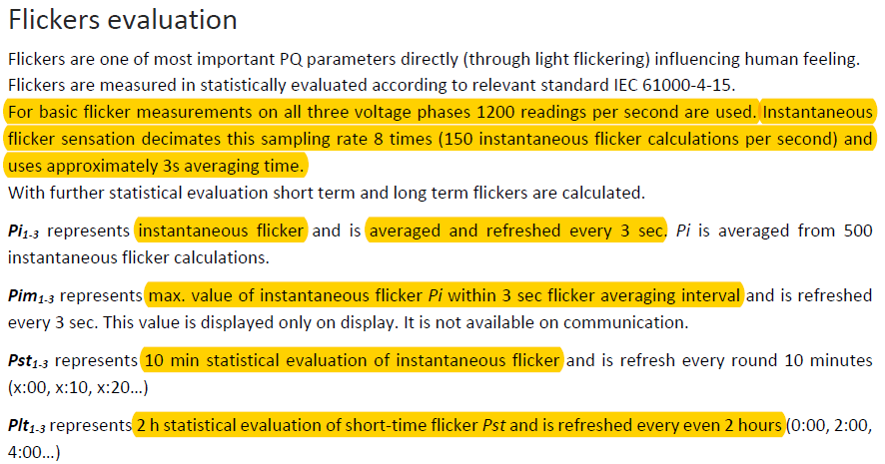
460 | Forecast Demand P(export) |  |  | float | 2 | 1
462 | Demand P 15m(import) |  |  | float | 2 | 1
464 |  |  |  | float | 2 | 1
466 |  |  |  | float | 2 | 1
468 | Time Stamp(Demand Log 시작일) |  |  | U32 | 2 | 1
470 | Demand P Array(15분 단위) |  |  | float | 2 | 96
662 |  |  |  | float | 2 | 19
Reserved
700 |  |  |  | U16 | 1 | 200
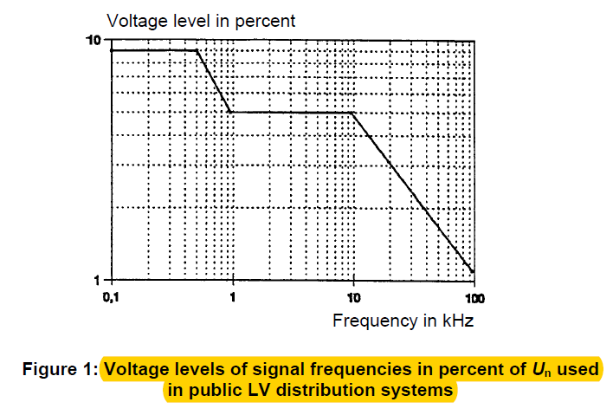
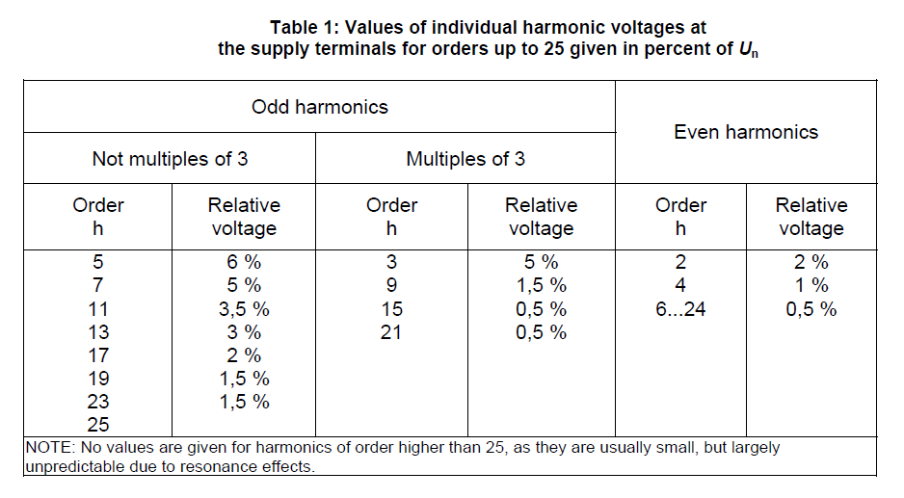
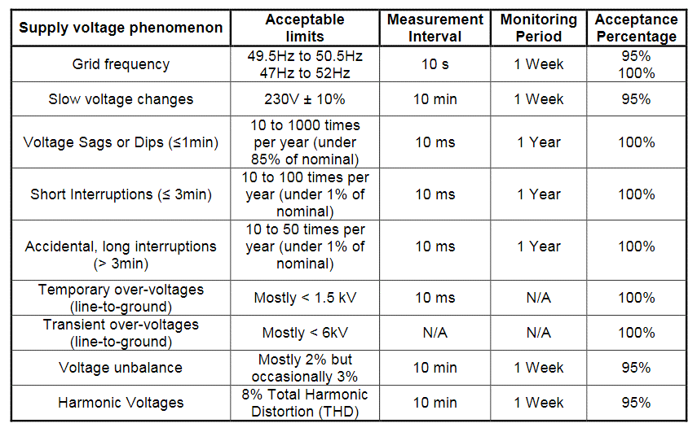
Harmonics
900 | Harmonics V1 |  |  | S16 | 1 | 64
964 | Harmonics V2 |  |  | S16 | 1 | 64
1028 | Harmonics V3 |  |  | S16 | 1 | 64
1092 | Harmonics V12 |  |  | S16 | 1 | 64
1156 | Harmonics V23 |  |  | S16 | 1 | 64
1220 | Harmonics V31 |  |  | S16 | 1 | 64
1284 | Harmonics I1 |  |  | S16 | 1 | 64
1348 | Harmonics I2 |  |  | S16 | 1 | 64
1412 | Harmonics I3 |  |  | S16 | 1 | 64
1476 |  |  |  | S16 | 1 | 24 | 576
1500 | reserved |  |  | S16 | 1 | 800
Wave Sample |  |  |  |  |  |  |  | 32K: 67,107,786 8K: 74,518,668 첫번째 번지 접근시 wave data를 modbus map으로 load 한다
2300 | Wave Form V1 (160 sample) |  |  | S16 | 1 | 160
2460 | Wave Form V2 (160 sample) |  |  | S16 | 1 | 160
2620 | Wave Form V3 (160 sample) |  |  | S16 | 1 | 160
2780 | Wave Form V12 (160 sample) |  |  | S16 | 1 | 160
2940 | Wave Form V23 (160 sample) |  |  | S16 | 1 | 160
3100 | Wave Form V31 (160 sample) |  |  | S16 | 1 | 160
3260 | Wave Form I1 (160 sample) |  |  | S16 | 1 | 160
3420 | Wave Form I2 (160 sample) |  |  | S16 | 1 | 160
3580 | Wave Form I3 (160 sample) |  |  | S16 | 1 | 160
3740 | vscale |  |  | float | 2 | 1
3742 | iscale |  |  | float | 2 | 1
3744 | reserved |  |  | S16 | 1 | 56
Max/Min
3800 | fr |  |  | S16 | 1 | 1 | 3800
3801 | re |  |  | S16 | 1 | 1
3802 | Reset TimeStamp |  |  | UTC | 2 | 1
3804 | Frequency | Max |  | float | 2 | 1
3806 |  | Max TimeStamp |  | U32 | 2 | 1
3808 |  | Min |  | float | 2 | 1
3810 |  | Min TimeStamp |  | U32 | 2 | 1
3812 | Temp |  |  | User | 8 | 1 |  | http://www.relaytech.com/symcomp_calculator.htm
3820 | U1 |  |  | User | 8 | 1
3828 | U2 |  |  | User | 8 | 1
3836 | U3 |  |  | User | 8 | 1
3844 | U~ |  |  | User | 8 | 1
3852 | U12 |  |  | User | 8 | 1
3860 | U23 |  |  | User | 8 | 1
3868 | U31 |  |  | User | 8 | 1
3876 | Upp~ |  |  | User | 8 | 1
3884 | I1 |  |  | User | 8 | 1
3892 | I2 |  |  | User | 8 | 1
3900 | I3 |  |  | User | 8 | 1
3908 | I~ |  |  | User | 8 | 1
3916 | I total |  |  | User | 8 | 1
3924 | In |  |  | User | 8 | 1
3932 | Isum |  |  | User | 8 | 1
3940 | P1 |  |  | User | 8 | 1
3948 | P2 |  |  | User | 8 | 1
3956 | P3 |  |  | User | 8 | 1
3964 | P total |  |  | User | 8 | 1
3972 | Q1 |  |  | User | 8 | 1
3980 | Q2 |  |  | User | 8 | 1
3988 | Q3 |  |  | User | 8 | 1
3996 | Q total |  |  | User | 8 | 1
4004 | S1 |  |  | User | 8 | 1
4012 | S2 |  |  | User | 8 | 1
4020 | S3 |  |  | User | 8 | 1
4028 | S total |  |  | User | 8 | 1
4036 | PF L1 |  |  | User | 8 | 1
4044 | PF L2 |  |  | User | 8 | 1
4052 | PF L3 |  |  | User | 8 | 1
4060 | PF total |  |  | User | 8 | 1
4068 | THD U1 |  |  | User | 8 | 1
4076 | THD U2 |  |  | User | 8 | 1
4084 | THD U3 |  |  | User | 8 | 1
4092 | THD U12 |  |  | User | 8 | 1
4100 | THD U23 |  |  | User | 8 | 1
4108 | THD U31 |  |  | User | 8 | 1
4116 | THD I1 |  |  | User | 8 | 1
4124 | THD I2 |  |  | User | 8 | 1
4132 | THD I3 |  |  | User | 8 | 1
4140 | Update TimeStamp |  |  | UTC | 2 | 1
4142 | reserved |  |  | U16 | 1 | 1
4143 | CRC |  |  | U16 | 1 | 1
4144 |  |  |  | U16 | 1 | 56
alarm status
4200 | fr |  |  | U16 | 1 | 1
4201 | re |  |  | U16 | 1 | 1
4202 | reset Ts |  |  | UTC | 2 | 1
4204 | Alarm State #1 | Alarm Channel |  | U16 | 1 | 1
4205 |  | Alarm Condition |  | U16 | 1 | 1
4206 |  | Alarm Level |  | float | 2 | 1
4208 |  | Alarm Status |  | U16 | 1 | 1
4209 |  | Alarm Count |  | U16 | 1 | 1
4210 | Alarm State #2 |  |  | U16 | 1 | 6
4216 | Alarm State #3 |  |  | U16 | 1 | 6
4222 | Alarm State #4 |  |  | U16 | 1 | 6
4228 | Alarm State #5 |  |  | U16 | 1 | 6
4234 | Alarm State #6 |  |  | U16 | 1 | 6
4240 | Alarm State #7 |  |  | U16 | 1 | 6
4246 | Alarm State #8 |  |  | U16 | 1 | 6
4252 | Alarm State #9 |  |  | U16 | 1 | 6
4258 | Alarm State #10 |  |  | U16 | 1 | 6
4264 | Alarm State #11 |  |  | U16 | 1 | 6
4270 | Alarm State #12 |  |  | U16 | 1 | 6
4276 | Alarm State #13 |  |  | U16 | 1 | 6
4282 | Alarm State #14 |  |  | U16 | 1 | 6
4288 | Alarm State #15 |  |  | U16 | 1 | 6
4294 | Alarm State #16 |  |  | U16 | 1 | 6
4300 | Alarm State #17 |  |  | U16 | 1 | 6
4306 | Alarm State #18 |  |  | U16 | 1 | 6
4312 | Alarm State #19 |  |  | U16 | 1 | 6
4318 | Alarm State #20 |  |  | U16 | 1 | 6
4324 | Alarm State #21 |  |  | U16 | 1 | 6
4330 | Alarm State #22 |  |  | U16 | 1 | 6
4336 | Alarm State #23 |  |  | U16 | 1 | 6
4342 | Alarm State #24 |  |  | U16 | 1 | 6
4348 | Alarm State #25 |  |  | U16 | 1 | 6
4354 | Alarm State #26 |  |  | U16 | 1 | 6
4360 | Alarm State #27 |  |  | U16 | 1 | 6
4366 | Alarm State #28 |  |  | U16 | 1 | 6
4372 | Alarm State #29 |  |  | U16 | 1 | 6
4378 | Alarm State #30 |  |  | U16 | 1 | 6
4384 | Alarm State #31 |  |  | U16 | 1 | 6
4390 | Alarm State #32 |  |  | U16 | 1 | 6
4396 | update Ts |  |  | U32 | 2 | 1
4398 | Global Alarm Status(alarm 하나라도 있으면 1, 아니면 0) |  |  | U16 | 1 | 1
4399 |  |  |  | U16 | 1 | 1
4400 | reserved |  |  | U16 | 1 | 300
이벤트 리스트
4700 | fr |  |  | U16 | 1 | 1 | 4500
4701 | re |  |  | U16 | 1 | 1
4702 | count |  |  | U16 | 1 | 1
4703 |  |  |  | U16 | 1 | 1
PQ 이벤트(Sag, Swell, Transient, OC)
4704 | start ts |  |  | UTC | 2 | 1
4706 | start ts(ms) |  |  | U16 | 1 | 1
4707 | duration |  |  | U16 | 1 | 1
4708 | type | #define E_SAG 1 #define E_SWELL 2 bit15: 1 -> Event Only |  | U16 | 1 | 1
4709 | mask |  |  | U16 | 1 | 1
4710 | Level 1 |  |  | float | 2 | 1
4712 | Level 2 |  |  | float | 2 | 1
4714 | Level 3 |  |  | float | 2 | 1
4716 | PQ Event #2 |  |  | U16 | 1 | 12
4728 | PQ Event #3 |  |  | U16 | 1 | 12
4740 | PQ Event #4 |  |  | U16 | 1 | 12
4752 | PQ Event #5 |  |  | U16 | 1 | 12
4764 | PQ Event #6 |  |  | U16 | 1 | 12
4776 | PQ Event #7 |  |  | U16 | 1 | 12
4788 | PQ Event #8 |  |  | U16 | 1 | 12
4800 | PQ Event #9 |  |  | U16 | 1 | 12
4812 | PQ Event #10 |  |  | U16 | 1 | 12
4824 | PQ Event #11 |  |  | U16 | 1 | 12
4836 | PQ Event #12 |  |  | U16 | 1 | 12
4848 | PQ Event #13 |  |  | U16 | 1 | 12
4860 | PQ Event #14 |  |  | U16 | 1 | 12
4872 | PQ Event #15 |  |  | U16 | 1 | 12
4884 | PQ Event #16 |  |  | U16 | 1 | 12
4896 | PQ Event #17 |  |  | U16 | 1 | 12
4908 | PQ Event #18 |  |  | U16 | 1 | 12
4920 | PQ Event #19 |  |  | U16 | 1 | 12
4932 | PQ Event #20 |  |  | U16 | 1 | 12
4944 | PQ Event #21 |  |  | U16 | 1 | 12
4956 | PQ Event #22 |  |  | U16 | 1 | 12
4968 | PQ Event #23 |  |  | U16 | 1 | 12
4980 | PQ Event #24 |  |  | U16 | 1 | 12
4992 | PQ Event #25 |  |  | U16 | 1 | 12
5004 | PQ Event #26 |  |  | U16 | 1 | 12
5016 | PQ Event #27 |  |  | U16 | 1 | 12
5028 | PQ Event #28 |  |  | U16 | 1 | 12
5040 | PQ Event #29 |  |  | U16 | 1 | 12
5052 | PQ Event #30 |  |  | U16 | 1 | 12
5064 | PQ Event #31 |  |  | U16 | 1 | 12
5076 | PQ Event #32 |  |  | U16 | 1 | 12
5088 |  |  |  | U16 | 1 | 2
PQ Event Counter
5090 | Transient Voltage Count |  |  | U16 | 1 | 1
5091 | Transient Current Count |  |  | U16 | 1 | 1
5092 | OC Count |  |  | U16 | 1 | 1
5093 | Sag Coount |  |  | U16 | 1 | 1
5094 | Swell Count |  |  | U16 | 1 | 1
5095 | Interrupt Count |  |  | U16 | 1 | 1
5096 | UC Count |  |  | U16 | 1 | 1
5097 |  |  |  | U16 | 1 | 1
5098 |  |  |  | U16 | 1 | 1
5099 |  |  |  | U16 | 1 | 1
5100 | reserved |  |  | U16 | 1 | 700
demand log last day
5800 | Time Stamp |  |  | U32 | 2 | 1
5802 | Demand P Array(15분 단위) |  |  | float | 2 | 96
5994 |  |  |  | U16 | 1 | 6
Max/Min last data
6000 | fr |  |  | S16 | 1 | 1
6001 | re |  |  | S16 | 1 | 1
6002 | Reset TimeStamp |  |  | UTC | 2 | 1
6004 | Frequency |  |  | float | 2 | 4
6012 | Temp |  |  | float | 2 | 4
6020 | U1 |  |  | float | 2 | 4
6028 | U2 |  |  | float | 2 | 4
6036 | U3 |  |  | float | 2 | 4
6044 | U~ |  |  | float | 2 | 4
6052 | U12 |  |  | float | 2 | 4
6060 | U23 |  |  | float | 2 | 4
6068 | U31 |  |  | float | 2 | 4
6076 | Upp~ |  |  | float | 2 | 4
6084 | I1 |  |  | float | 2 | 4
6092 | I2 |  |  | float | 2 | 4
6100 | I3 |  |  | float | 2 | 4
6108 | I~ |  |  | float | 2 | 4
6116 | I total |  |  | float | 2 | 4
6124 | In |  |  | float | 2 | 4
6132 | Isum |  |  | float | 2 | 4
6140 | P1 |  |  | float | 2 | 4
6148 | P2 |  |  | float | 2 | 4
6156 | P3 |  |  | float | 2 | 4
6164 | P total |  |  | float | 2 | 4
6172 | Q1 |  |  | float | 2 | 4
6180 | Q2 |  |  | float | 2 | 4
6188 | Q3 |  |  | float | 2 | 4
6196 | Q total |  |  | float | 2 | 4
6204 | S1 |  |  | float | 2 | 4
6212 | S2 |  |  | float | 2 | 4
6220 | S3 |  |  | float | 2 | 4
6228 | S total |  |  | float | 2 | 4
6236 | PF L1 |  |  | float | 2 | 4
6244 | PF L2 |  |  | float | 2 | 4
6252 | PF L3 |  |  | float | 2 | 4
6260 | PF total |  |  | float | 2 | 4
6268 | THD U1 |  |  | float | 2 | 4
6276 | THD U2 |  |  | float | 2 | 4
6284 | THD U3 |  |  | float | 2 | 4
6292 | THD U12 |  |  | float | 2 | 4
6300 | THD U23 |  |  | float | 2 | 4
6308 | THD U31 |  |  | float | 2 | 4
6316 | THD I1 |  |  | float | 2 | 4 | struct
6324 | THD I2 |  |  | float | 2 | 4
6332 | THD I3 |  |  | float | 2 | 4
6340 | Update TimeStamp |  |  | UTC | 2 | 1
6342 | reserved |  |  | U16 | 1 | 1
6343 | CRC |  |  | U16 | 1 | 1
6344 |  |  |  | U16 | 1 | 56
Diagnostics
6400 | AssetType | Type of Asset |  | U16 | 1 | 1 | 0: None, 1:COMP, 2:FAN, 3:Pump, 4:Motor, 5:Power Supply, 6: Transformer
6401 | reserved |  |  | U16 | 1 | 1
6402 | COMP_FAN_Turbulence | Turbulence |  | U16 | 1 | 1 | Asset Type 1(Compressor) and 2(Fan) read 6001 ~ 6014, 6058~6083
6403 | COMP_FAN_Blade |  |  | U16 | 1 | 1
6404 | COMP_FAN_MechUnbal |  |  | U16 | 1 | 1
6405 | COMP_FAN_SoftFoot |  |  | U16 | 1 | 1
6406 | COMP_FAN_TorgueRipple |  |  | U16 | 1 | 1
6407 | COMP_FAN_DCLink |  |  | U16 | 1 | 1
6408 | COMP_FAN_Rectifier |  |  | U16 | 1 | 1
6409 | COMP_FAN_Switching |  |  | U16 | 1 | 1
6410 | COMP_FAN_Load |  |  | U16 | 1 | 1
6411 | COMP_FAN_GF |  |  | U16 | 1 | 1
6412 | COMP_FAN_VIUnbal |  |  | U16 | 1 | 1
6413 | COMP_FAN_Cable |  |  | U16 | 1 | 1
6414 | COMP_FAN_NoiseVib |  |  | U16 | 1 | 1
6415 | COMP_FAN_Heat |  |  | U16 | 1 | 1
6416 | COMP_FAN_Rotor |  |  | U16 | 1 | 1
6417 | COMP_FAN_Stator |  |  | U16 | 1 | 1
6418 | COMP_FAN_Bearing |  |  | U16 | 1 | 1
6419 | Reserved |  |  | U16 | 1 | 1
6420 | PUMP_Cavitation |  |  | U16 | 1 | 1 | Asset Type 3(Pump) read 6015 ~ 6028, 6058~6083
6421 | PUMP_Vane |  |  | U16 | 1 | 1
6422 | PUMP_MechUnbal |  |  | U16 | 1 | 1
6423 | PUMP_SoftFoot |  |  | U16 | 1 | 1
6424 | PUMP_TorqueRipple |  |  | U16 | 1 | 1
6425 | PUMP_DCLink |  |  | U16 | 1 | 1
6426 | PUMP_Rectifier |  |  | U16 | 1 | 1
6427 | PUMP_Switching |  |  | U16 | 1 | 1
6428 | PUMP_Load |  |  | U16 | 1 | 1
6429 | PUMP_GF |  |  | U16 | 1 | 1
6430 | PUMP_VIUnbal |  |  | U16 | 1 | 1
6431 | PUMP_Cable |  |  | U16 | 1 | 1
6432 | PUMP_NoiseVib |  |  | U16 | 1 | 1
6433 | PUMP_Heat |  |  | U16 | 1 | 1
6434 | PUMP_Rotor |  |  | U16 | 1 | 1
6435 | PUMP_Stator |  |  | U16 | 1 | 1
6436 | PUMP_Bearing |  |  | U16 | 1 | 1
6437 | Reserved |  |  | U16 | 1 | 1
6438 | MOTOR_TorqueRipple |  |  | U16 | 1 | 1 | Asset Type 4(Pump) read 6029 ~ 6040, 6058~6083
6439 | MOTOR_MechUnbal |  |  | U16 | 1 | 1
6440 | MOTOR_SoftFoot |  |  | U16 | 1 | 1
6441 | MOTOR_DCLink |  |  | U16 | 1 | 1
6442 | MOTOR_Rectifier |  |  | U16 | 1 | 1
6443 | MOTOR_Switching |  |  | U16 | 1 | 1
6444 | MOTOR_Load |  |  | U16 | 1 | 1
6445 | MOTOR_GF |  |  | U16 | 1 | 1
6446 | MOTOR_VIUnbal |  |  | U16 | 1 | 1
6447 | MOTOR_Cable |  |  | U16 | 1 | 1
6448 | MOTOR_NoiseVib |  |  | U16 | 1 | 1
6449 | MOTOR_Heat |  |  | U16 | 1 | 1
6450 | MOTOR_Rotor |  |  | U16 | 1 | 1
6451 | MOTOR_Stator |  |  | U16 | 1 | 1
6452 | MOTOR_Bearing |  |  | U16 | 1 | 1
6453 | Reserved |  |  | U16 | 1 | 1
6454 | MotorFeed_DCLink |  |  | U16 | 1 | 1
6455 | MotorFeed_Rectifier |  |  | U16 | 1 | 1
6456 | MotorFeed_Switching |  |  | U16 | 1 | 1
6457 | MotorFeed_Load |  |  | U16 | 1 | 1
6458 | MotorFeed_GF |  |  | U16 | 1 | 1
6459 | MotorFeed_VIUnbal |  |  | U16 | 1 | 1
6460 | MotorFeed_Cable |  |  | U16 | 1 | 1
6461 | MotorFeed_NoiseVib |  |  | U16 | 1 | 1
6462 | MotorFeed_Heat |  |  | U16 | 1 | 1
6463 | Reserved |  |  | U16 | 1 | 1
6464 | PWRSUPPLY_Load |  |  | U16 | 1 | 1 | Asset Type 5(Power Supply) read 6041 ~ 6047, 6058~6083
6465 | PWRSUPPLY_GF |  |  | U16 | 1 | 1
6466 | PWRSUPPLY_VIUnbal |  |  | U16 | 1 | 1
6467 | PWRSUPPLY_Cable |  |  | U16 | 1 | 1
6468 | PWRSUPPLY_NoiseVib |  |  | U16 | 1 | 1
6469 | PWRSUPPLY_Heat |  |  | U16 | 1 | 1
6470 | TR_Capacitor |  |  | U16 | 1 | 1 | Asset Type 6(Transformer) read 6048 ~ 6057, 6058~6083
6471 | TR_Core |  |  | U16 | 1 | 1
6472 | TR_TapChanger |  |  | U16 | 1 | 1
6473 | TR_Bushings |  |  | U16 | 1 | 1
6474 | TR_Stress |  |  | U16 | 1 | 1
6475 | TR_Winding |  |  | U16 | 1 | 1
6476 | TR_Load |  |  | U16 | 1 | 1
6477 | TR_Rectifier |  |  | U16 | 1 | 1
6478 | TR_Switching |  |  | U16 | 1 | 1
6479 | TR_Ground Fault |  |  | U16 | 1 | 1
6480 | TR_VIUnbalance |  |  | U16 | 1 | 1
6481 | TR_Cable |  |  | U16 | 1 | 1
6482 | TR_Noise Vibration |  |  | U16 | 1 | 1
6483 | TR_Heat |  |  | U16 | 1 | 1
6484 | PrimaryTR_Capacitor |  |  | U16 | 1 | 1
6485 | PrimaryTR_TapChanger |  |  | U16 | 1 | 1
6486 | PrimaryTR_Bushings |  |  | U16 | 1 | 1
6487 | PrimaryTR_Stress |  |  | U16 | 1 | 1
6488 | PrimaryTR_Load |  |  | U16 | 1 | 1
6489 | PrimaryTR_Ground Fault |  |  | U16 | 1 | 1
6490 | PrimaryTR_VIUnbalance |  |  | U16 | 1 | 1
6491 | PrimaryTR_Cable |  |  | U16 | 1 | 1
6492 | PrimaryTR_Noise Vibration |  |  | U16 | 1 | 1
6493 | PrimaryTR_Heat |  |  | U16 | 1 | 1
6494 | PQ_VPhaseAngle |  |  | U16 | 1 | 1
6495 | PQ_CRMS |  |  | U16 | 1 | 1
6496 | PQ_CrestFactor |  |  | U16 | 1 | 1
6497 | PQ_Unbalance |  |  | U16 | 1 | 1
6498 | PQ_DCCurrent |  |  | U16 | 1 | 1
6499 | PQ_Harmonics |  |  | U16 | 1 | 1
6500 | PQ_ZeroSequence |  |  | U16 | 1 | 1
6501 | PQ_NegativeSequence |  |  | U16 | 1 | 1
6502 | PQ_CPhaseAngle |  |  | U16 | 1 | 1
6503 | PQ_PhaseAngle |  |  | U16 | 1 | 1
6504 | PQ_PF |  |  | U16 | 1 | 1
6505 | PQ_TDD |  |  | U16 | 1 | 1
6506 | PQ_Power |  |  | U16 | 1 | 1
6507 | PQ_VRMS |  |  | U16 | 1 | 1
6508 | PQ_DCVoltage |  |  | U16 | 1 | 1
6509 | reserved |  |  | U16 | 1 | 1
6510 | FAULT_PhaseOrder |  |  | U16 | 1 | 1
6511 | FAULT_NoLoad |  |  | U16 | 1 | 1
6512 | FAULT_OverCurrent |  |  | U16 | 1 | 1
6513 | FAULT_CF |  |  | U16 | 1 | 1
6514 | FAULT_NoPower |  |  | U16 | 1 | 1
6515 | FAULT_OverVoltage |  |  | U16 | 1 | 1
6516 | FAULT_UnderVoltage |  |  | U16 | 1 | 1
6517 | FAULT_LowFrequency |  |  | U16 | 1 | 1
6518 | FAULT_VF |  |  | U16 | 1 | 1
6519 | Reserved |  |  | U16 | 1 | 1
6520 | EVENT_TransientCurrentEvent |  |  | U16 | 1 | 1
6521 | EVENT_OverCurrentEvent |  |  | U16 | 1 | 1
6522 | EVENT_UnderCurrentEvent |  |  | U16 | 1 | 1
6523 | EVENT_SagEvent |  |  | U16 | 1 | 1
6524 | EVENT_SwellEvent |  |  | U16 | 1 | 1
6525 | EVENT_InterruptionEvent |  |  | U16 | 1 | 1
6526 | EVENT_TransientVoltageEvent |  |  | U16 | 1 | 1
6527 | reserved |  |  | U16 | 1 | 1
6528 | reserved |  |  | U16 | 1 | 112
METER INFO
6640 | serial# |  |  | U16 | 1 | 6
6646 | mac address |  |  | U16 | 1 | 4
6650 | HW Model |  |  | U16 | 1 | 1
6651 | HW version |  |  | U16 | 1 | 1
6652 | FW version |  |  | U16 | 1 | 1
6653 | FW_BUILD_YEAR |  |  | U16 | 1 | 1
6654 | FW_BUILD_MON |  |  | U16 | 1 | 1
6655 | FW_BUILD_DAY |  |  | U16 | 1 | 1
6656 | reserved |  |  | U16 | 1 | 44
Setting 영역 시작
Communication Settings
6700 | RS-485 mode 0: Master 1: Slave |  |  | U16 | 1 | 1
6701 | baud rate 0: 9600 1:19200 2:38400 3:57600 4:115200 |  |  | U16 | 1 | 1
6702 | parity 0: none 1: odd 2: even |  |  | U16 | 1 | 1
6703 | device Id | Modbus ID |  | U16 | 1 | 1
6704 | Eth#0 IP | SV500 IP |  | U16 | 1 | 4
6708 | Eth#0 SUBNET | device Subnet |  | U16 | 1 | 4
6712 | Eth#0 GATEWAY | device gateway |  | U16 | 1 | 4
6716 | Eth#0 DNS | device DNS |  | U16 | 1 | 4
6720 |  |  |  | U16 | 1 | 4
6724 |  |  |  | U16 | 1 | 16
6740 | Modbus TCP Port |  |  | U16 | 1 | 1
6741 | DHCP enabled |  |  | U16 | 1 | 1
6742 |  |  |  | U16 | 1 | 1
6743 |  |  |  | U16 | 1 | 1
6744 |  |  |  | U16 | 1 | 1
6745 |  |  |  | U16 | 1 | 1
6746 |  |  |  | U16 | 1 | 4
6750 |  |  |  | U16 | 1 | 1
6751 | DAQ sampling rate (8000, 4000, 2000, 1000) |  |  | U16 | 1 | 1
6752 | DAQ sample duration (sec) |  |  | U16 | 1 | 1
6753 | DAQ interval (sec) |  |  | U16 | 1 | 1
6754 |  |  |  | U16 | 1 | 1
6755 |  |  |  | U16 | 1 | 1
6756 |  |  |  | U16 | 1 | 1
6757 |  |  |  | U16 | 1 | 1
6758 |  |  |  | U16 | 1 | 1
6759 |  |  |  | U16 | 1 | 1
PT
6760 | wiring mode 0: 3p4w 1: 3p3w(3CT) 2: 1p2w 3: 1p3w 4: 3p3w(2CT) |  |  | U16 | 1 | 1 | 6360
6761 | Frequency |  |  | U16 | 1 | 1
6762 | V nominal |  |  | U32 | 2 | 1
6764 | PT1 |  |  | U32 | 2 | 1
6766 | PT2 |  |  | U16 | 1 | 1
6767 |  |  |  | U16 | 1 | 3
CT
6770 | I Nominal |  |  | U16 | 1 | 1
6771 | CT1 |  |  | U16 | 1 | 1 | #REF!
6772 | CT2 0: 5A 1: 100mA/333mV 2: Rogowski |  |  | U16 | 1 | 1
6773 | # turns(unused) |  |  | U16 | 1 | 1
6774 | Starting Current (1.0 : 0.002*In, 0.5: 0.001*In) 0 ~ 10000 (단위 : mA) |  |  | U16 | 1 | 1
6775 | CT1 direction 0: positive 1: negative |  |  | U16 | 1 | 1
6776 | CT2 direction |  |  | U16 | 1 | 1
6777 | CT3 direction |  |  | U16 | 1 | 1
6778 | Rogowski CT Model |  |  | U16 | 1 | 1
6779 | phase offset 1 * phase resolution 60Hz: 0.0211, 50Hz: 0.0176 * range: +63 ~ -383 1.329 ~ -8.079 1.107 ~ -6.732 |  |  | U16 | 1 | 1
6780 | phase offset 2 |  |  | U16 | 1 | 1
6781 | phase offset 3 |  |  | U16 | 1 | 1
6782 | ZCT Type 1: 200mV:100mV 2: 200mV:1.5mA 3: 200mV:0.1mA |  |  | U16 | 1 | 1
6783 | ZCT Scale |  |  | U16 | 1 | 1
6784 | reserved |  |  | U16 | 1 | 6
ETC
6790 | VA type 0: RMS(S=VA) 1: vector(S=sqrt(P*P+Q*Q) |  |  | U16 | 1 | 1
6791 | PF sign 0: IEC 1: IEEE |  |  | U16 | 1 | 1
6792 | demand interval |  |  | U16 | 1 | 1
6793 |  |  |  | U16 | 1 | 1
6794 | Target Demand (W) |  |  | U32 | 2 | 1
6796 |  |  |  | U16 | 1 | 1
6797 |  |  |  | U16 | 1 | 1
6798 |  |  |  | U16 | 1 | 1
6799 |  |  |  | S16 | 1 | 1
6800 |  |  |  | U16 | 1 | 1
6801 |  |  |  | U16 | 1 | 1 | 설정에서 사용
6802 |  |  |  | U16 | 1 | 1
6803 |  |  |  | U16 | 1 | 1
6804 |  |  |  | U16 | 1 | 1
6805 |  |  |  | U16 | 1 | 5
PQ Event
6810 | OC Level | 정격의 2배 |  | U16 | 1 | 1 | 6410
6811 |  |  |  | U16 | 1 | 1
6812 | Trigger Action | 0: None 1: Event Only, 2: Wave Capture&RMS |  | U16 | 1 | 1
6813 | holdOff Cycle |  |  | U16 | 1 | 1
6814 | Sag Level(%), 90% | < 90% |  | U16 | 1 | 1
6815 | Sag Cycle | unused |  | U16 | 1 | 1
6816 | Trigger Action | 0: None 1: Event Only, 2: Wave Capture&RMS |  | U16 | 1 | 1
6817 | holdOff Cycle |  |  | U16 | 1 | 1
6818 | Swell Level(%), 110~200~ | > 110% |  | U16 | 1 | 1
6819 | Swell Cycle | unused |  | U16 | 1 | 1
6820 | Trigger Action | 0: None 1: Event Only, 2: Wave Capture&RMS |  | U16 | 1 | 1
6821 | holdOff Cycle |  |  | U16 | 1 | 1
6822 | Interruption Level, 5% | < 5% |  | U16 | 1 | 1
6823 | Interruption Time, 60s | unused |  | U16 | 1 | 1
6824 | Trigger Action | 0: None 1: Event Only, 2: Wave Capture&RMS |  | U16 | 1 | 1
6825 | holdOff Cycle |  |  | U16 | 1 | 1
6826 | UC Level |  |  | U16 | 1 | 1
6827 |  |  |  | U16 | 1 | 1
6828 | Trigger Action |  |  | U16 | 1 | 1
6829 | holdOff Cycle |  |  | U16 | 1 | 1
Transient Trigger
6830 | Transient Voltage, HoldOff Time, 20ms | 200 ~ 1000ms |  | U16 | 1 | 1
6831 | Transient Voltage, Absolute Peak Level, 200% | 120 ~ 300% |  | U16 | 1 | 1
6832 | Transient Voltage, Fast Change(%U/us) | 4~10% (120 ~ 320%) |  | U16 | 1 | 1
6833 | Transient Voltage, Trigger Action | 0: None 1: Event Only, 2: Wave Capture |  | U16 | 1 | 1
6834 | Transient Current, HoldOff Time | 200 ~ 1000ms |  | U16 | 1 | 1
6835 | Transient Current, Absolute Peak Level | 120 ~ 300% |  | U16 | 1 | 1
6836 | Transient Current, Fast Change(%U/us) | 4~10% (120 ~ 320%) |  | U16 | 1 | 1
6837 | Transient Current, Trigger Action | 0: None 1: Event Only, 2: Wave Capture |  | U16 | 1 | 1
6838 |  |  |  | U16 | 1 | 12
Recorder
Waveform
6850 |  |  |  | U16 | 1 | 1 | 6450
6851 |  |  |  | U16 | 1 | 1
6852 |  |  |  | U16 | 1 | 1
6853 |  |  |  | U16 | 1 | 1
Disturbance
6854 |  |  |  | U16 | 1 | 1
6855 |  |  |  | U16 | 1 | 1
6856 |  |  |  | U16 | 1 | 1
6857 |  |  |  | U16 | 1 | 1
6858 |  |  |  | U16 | 1 | 12
6870 |  |  |  | U16 | 1 | 80
Power Quality Report
6950 |  |  |  | U16 | 1 | 1
6951 |  |  |  | U16 | 1 | 1
6952 |  |  |  | U16 | 1 | 8
Alarm Definition
6960 | compare Time Delay(1s) |  |  | U16 | 1 | 1
6961 |  |  |  | U16 | 1 | 1
6962 |  |  |  | U16 | 1 | 1
6963 |  |  |  | U16 | 1 | 1
Alarm Settings
6964 | Alarm Info #1 Channel(0:disabled, >0: enabled) |  |  | U16 | 1 | 1
6965 | Alarm Cond (0: < , 1:>) |  |  | U16 | 1 | 1
6966 | Hysteresis (% of Nominal) |  |  | U16 | 1 | 1
6967 | Alarm Action (None, Relay or Beep) |  |  | U16 | 1 | 1
6968 | Alarm Level |  |  | float | 2 | 1
6970 | Alarm Settings #2 |  |  | U16 | 1 | 6
6976 | Alarm Settings #3 |  |  | U16 | 1 | 6
6982 | Alarm Settings #4 |  |  | U16 | 1 | 6
6988 | Alarm Settings #5 |  |  | U16 | 1 | 6
6994 | Alarm Settings #6 |  |  | U16 | 1 | 6
7000 | Alarm Settings #7 |  |  | U16 | 1 | 6
7006 | Alarm Settings #8 |  |  | U16 | 1 | 6
7012 | Alarm Settings #9 |  |  | U16 | 1 | 6
7018 | Alarm Settings #10 |  |  | U16 | 1 | 6
7024 | Alarm Settings #11 |  |  | U16 | 1 | 6
7030 | Alarm Settings #12 |  |  | U16 | 1 | 6
7036 | Alarm Settings #13 |  |  | U16 | 1 | 6
7042 | Alarm Settings #14 |  |  | U16 | 1 | 6
7048 | Alarm Settings #15 |  |  | U16 | 1 | 6
7054 | Alarm Settings #16 |  |  | U16 | 1 | 6
7060 | Alarm Settings #17 |  |  | U16 | 1 | 6
7066 | Alarm Settings #18 |  |  | U16 | 1 | 6
7072 | Alarm Settings #19 |  |  | U16 | 1 | 6
7078 | Alarm Settings #20 |  |  | U16 | 1 | 6
7084 | Alarm Settings #21 |  |  | U16 | 1 | 6
7090 | Alarm Settings #22 |  |  | U16 | 1 | 6
7096 | Alarm Settings #23 |  |  | U16 | 1 | 6
7102 | Alarm Settings #24 |  |  | U16 | 1 | 6
7108 | Alarm Settings #25 |  |  | U16 | 1 | 6
7114 | Alarm Settings #26 |  |  | U16 | 1 | 6
7120 | Alarm Settings #27 |  |  | U16 | 1 | 6
7126 | Alarm Settings #28 |  |  | U16 | 1 | 6
7132 | Alarm Settings #29 |  |  | U16 | 1 | 6
7138 | Alarm Settings #30 |  |  | U16 | 1 | 6
7144 | Alarm Settings #31 |  |  | U16 | 1 | 6
7150 | Alarm Settings #32 |  |  | U16 | 1 | 6
7156 |  |  |  | U16 | 1 | 4
FTP, SNTP
7160 | TimeSync |  |  | UTC | 2 | 2
7164 | FTP Host IP address |  |  | U16 | 1 | 4
7168 | FTP Port |  |  | U16 | 1 | 1
7169 | FTP Enable |  |  | U16 | 1 | 1
7170 | FTP account |  | character string | U16 | 1 | 8
7178 | FTP password |  | character string | U16 | 1 | 16
7194 | FTP upload directory |  | character string | U16 | 1 | 32
7226 | SNTP Enable |  |  | U16 | 1 | 1
7227 |  |  |  | U16 | 1 | 1
7228 | SNTP host name | ex) pool.ntp.org | character string | U16 | 1 | 16
7244 | Timezone | ex) America/New_York | character string | U16 | 1 | 16
7260 | reserved |  |  | U16 | 1 | 80
7340 | reseerved |  |  | U16 | 1 | 10
Command
7350 | reboot | Value : 0x1234 |  | U16 | 1 | 1
7351 | save settings | Value : 0x1234 |  | U16 | 1 | 1
7352 | init settings | Value : 0x1234 |  | U16 | 1 | 1
7353 | clear demand | Value : 0x1234 |  | U16 | 1 | 1
7354 | clear minmax | Value : 0x1234 |  | U16 | 1 | 1
7355 | clear energy | Value : 0x1234 |  | U16 | 1 | 1
7356 | clear alarm | Value : 0x1234 |  | U16 | 1 | 1
7357 | clear event | Value : 0x1234 |  | U16 | 1 | 1
7358 | clear PQ Event Count | Value : 0x1234 |  | U16 | 1 | 1
7359 | clear Run Hour | Value : 0x1234 |  | U16 | 1 | 1
7360 | Trigger Capture | Value : 0x1234 |  | U16 | 1 | 1
7361 | Calibration command 0: Enable Calibration 1: U gain 2: I gain 3: W gain 4: Ph gain 5: clear V 6: clear I 7: clear W 8: clear phase 9: IN gain 10: clear IN 11: Disable Calibration 12: save Calibration 13: Upp gain 14: clear Upp gain 15: set dcos 16: clear DcOffset 17: --- 18: --- |  |  | U16 | 1 | 1
7362 | V-ref, 1=1V |  |  | U16 | 1 | 1
7363 | I-ref, 1=0.1A |  |  | U16 | 1 | 1
7364 | In-ref, 1=0.1 |  |  | U16 | 1 | 1
7365 | reserved |  |  | U16 | 36 | 1

SEQ Comp
http://www.relaytech.com/files/34789988.htm
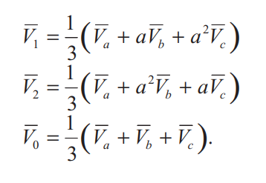
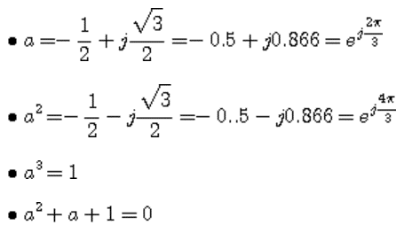
 |  |  |  |  | V1 | positive

 |  |  |  |  | V2 | negative

 |  |  |  |  | V0 | zero

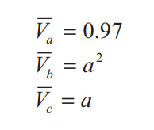
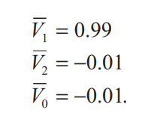

 | v1 | 219.5251 | 0
 | v2 | 219.9977 | 239.2501
 | v3 | 220.4379 | 120.0906

POS |  | x | y
 | 0 | 219.5251 | 0
 | 1 | 219.97885729 | -2.8792969841
 | 2 | 220.43762441 | 0.34857131864 | 0.34857088285
 | sum | 659.941582 | (2.530726) | -2.4502969098E-16
 | Mag | 219.982
 | phase | -0.220 | 360.21971519
NEG |  | x | y
 | 0 | 219.5251 | 0
 | 1 | -107.49588431 | 191.9469272
 | 2 | -109.91694059 | -191.07886835
 | sum | 2.112275 | 0.868059
 | Mag | 0.761
 | phase | 22.341 | 22.340661711 | -337.65933829
ZERO |  | x | y
 | 0 | 219.5251 | 0
 | 1 | -112.48297298 | -189.06763022
 | 2 | -110.52068382 | 190.73029703
 | sum | (3.479) | 1.663
 | Mag | 1.285
 | phase | -25.547 | 205.54668222

Uo | 0.58421286496
Uu | 0.346

PQ
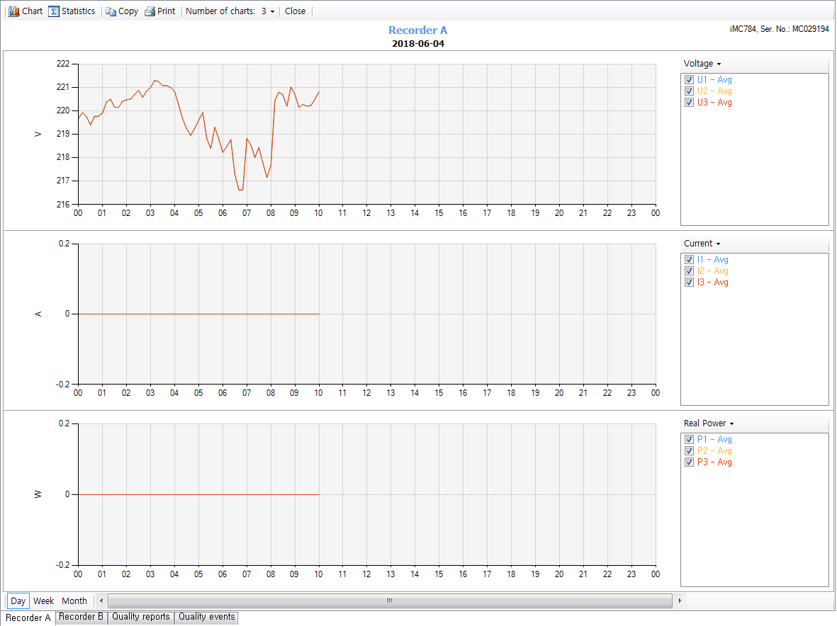

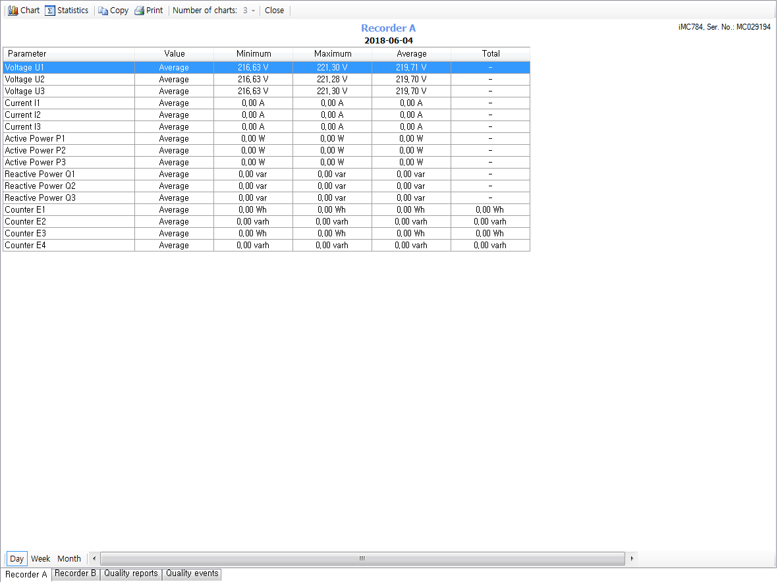

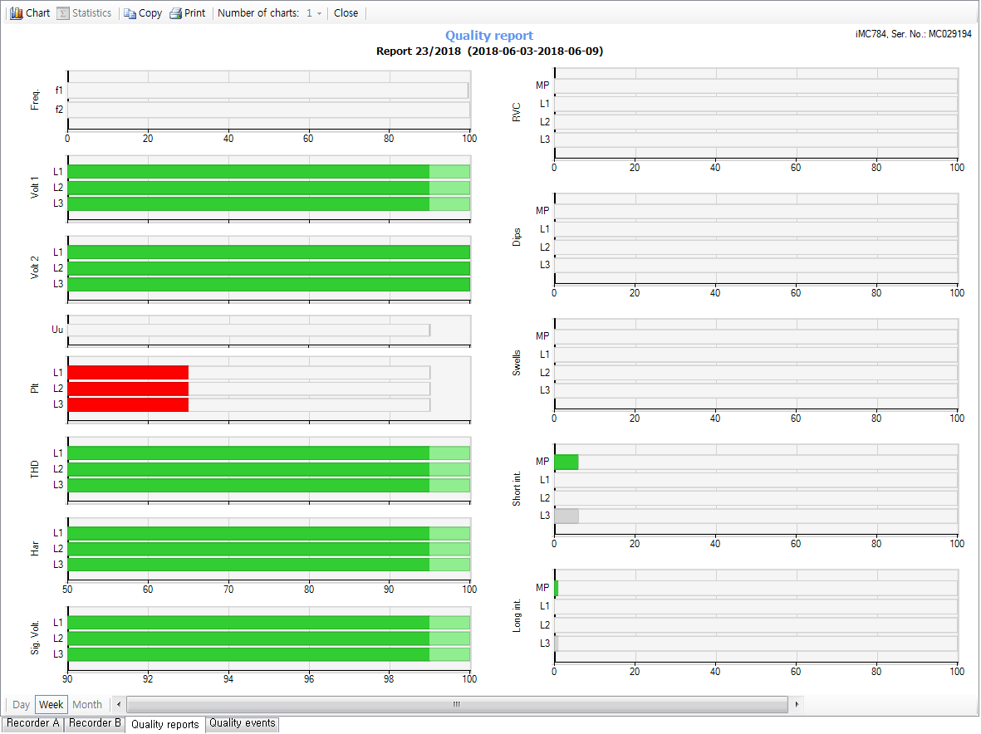

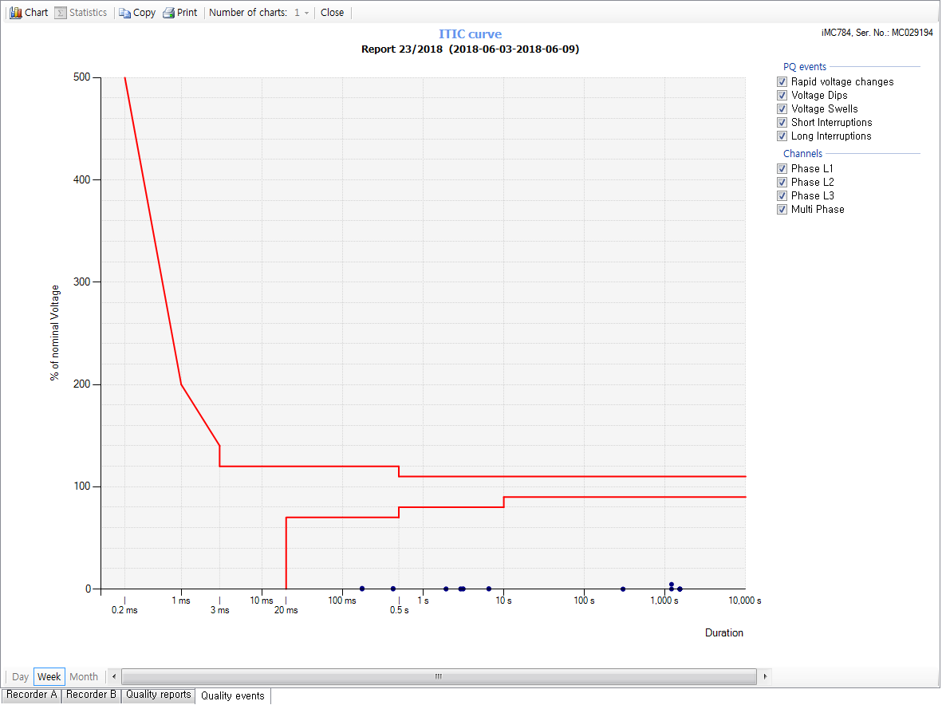

sag 분류
level | 10~20ms | > 200ms | > 500ms | > 1s | > 5~60s | > 60s
80 < Un < 90%
70 < Un < 80%
40 < Un < 70%
5 < Un < 40%
Un < 5%

swell 분류
level | 10~500ms | > 500ms | > 5~60s | > 60s
110 < Un < 120%
Un > 120%

ISKRA_Settings
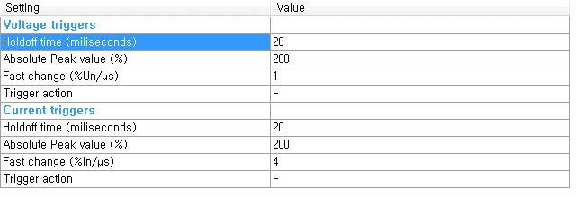
General
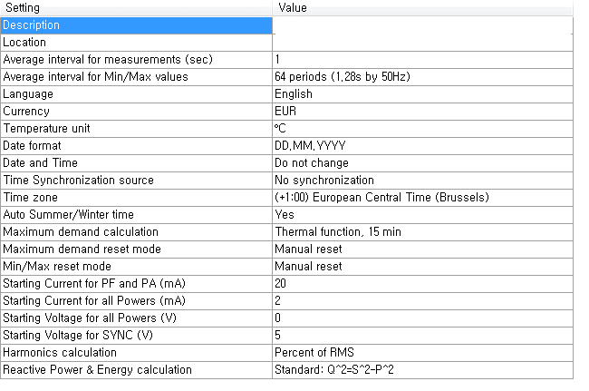

connection
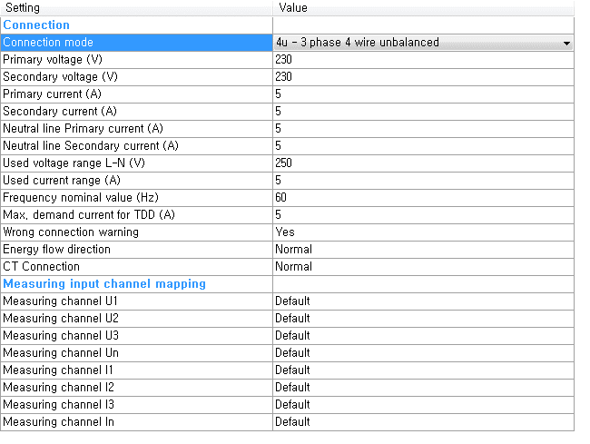

Communication
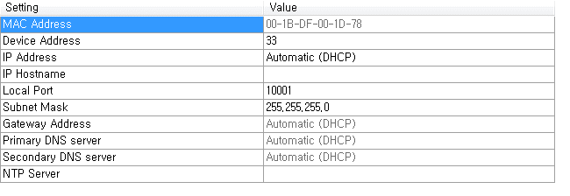

Energy
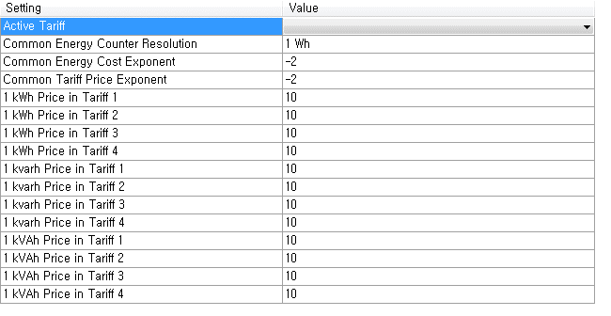

Counter
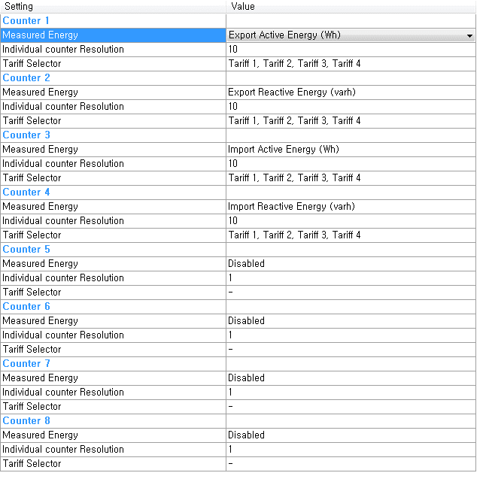

Tariff Clock
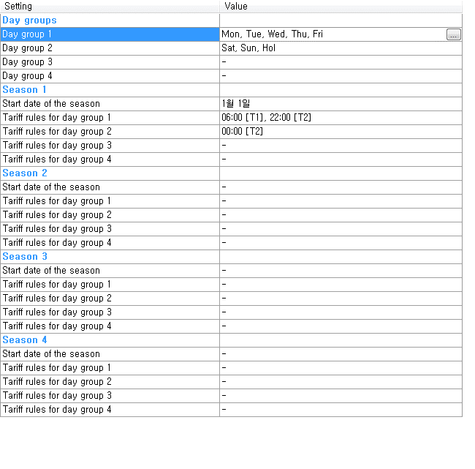

Recorders
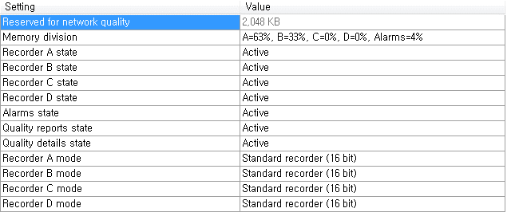

Trend Recorder A
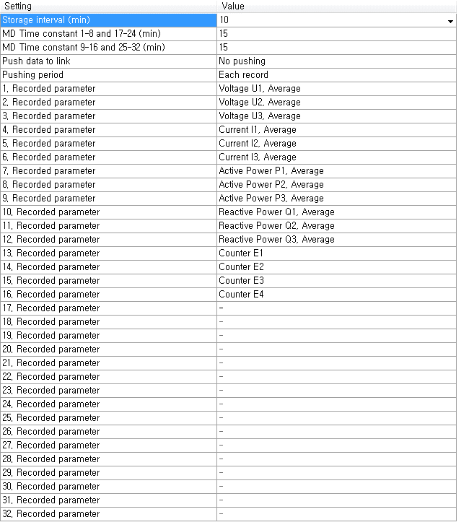
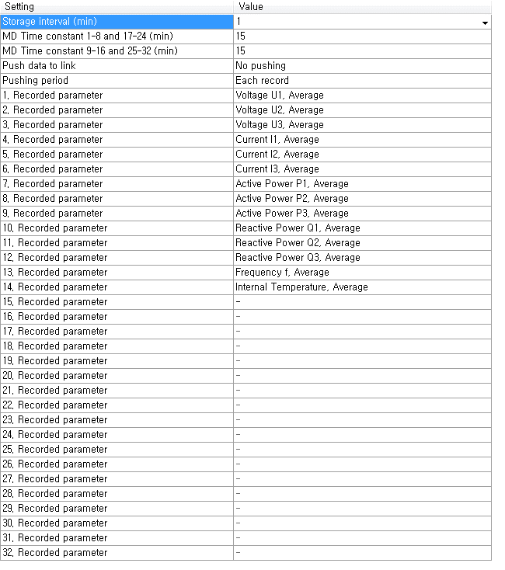
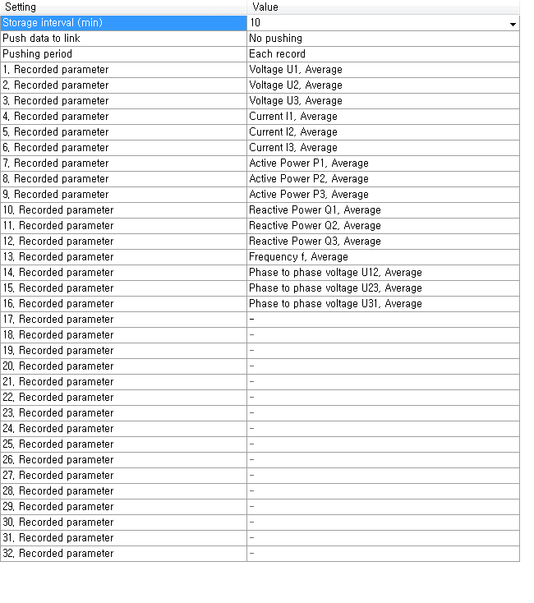

Power Quality
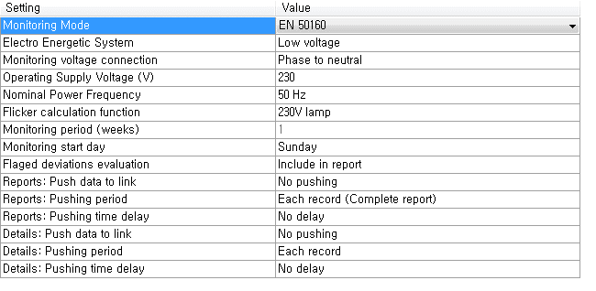

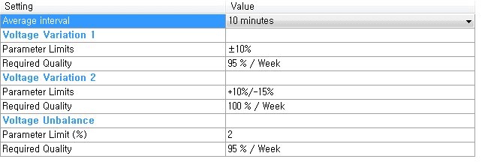

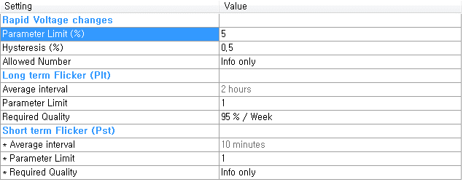

PQ Event
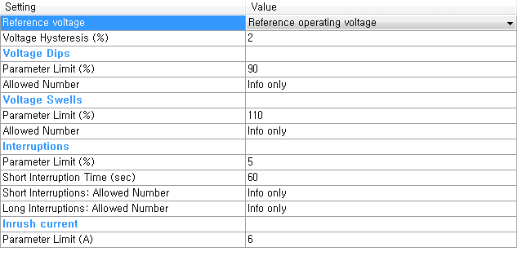

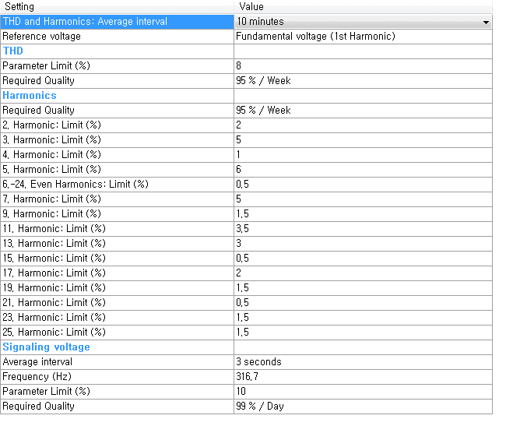

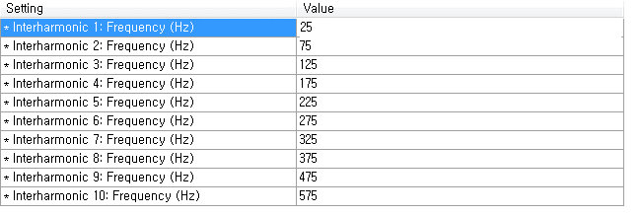

Reset
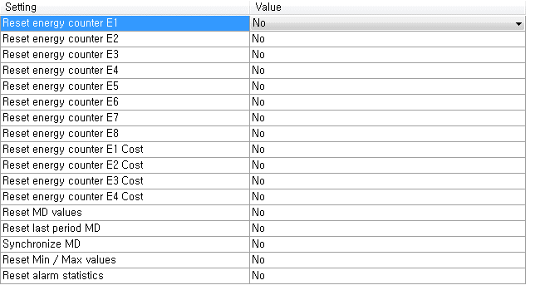

Advanced Recorder/Trigger

Meter Parameter
Voltage
R1 | 2400000 | 2400000
R2 | 1000 | 1000
Vin | 220 | 110
Vr1 | 0.092 | 0.046
Vr1-pp | 0.130 | 0.065
PGA | 2 | 4
ADC Full | 1 | 1
Vo | 0.25916450123 | 0.25916450123
Vfull | 848.88169081 | 424.44084541
Voltage Transfer Funtion | 0.00041649312786 | 0.00041649312786

Current
 | 5A | 100mA | 333mV | Ext. 5A CT ? | 5A | * JN10의 부담저항이 높으면 전류구간에 따라 위상오차 발생한다
I1 | 5 | 100 | 100 | 5 | 5
ration | 1000 | 1000 |  | 3000 | 1000
I2 | 0.005 | 0.1 | 0.333 | 0.0016666666667 | 0.005
R-burden | 66.6 | 3.2 |  | 200 | 20
Vr1 | 0.333 | 0.32 | 0.333 | 0.33333333333 | 0.1
Vr-pp | 0.47093311627 | 0.45254833996 | 0.47093311627 | 0.47140452079 | 0.14142135624
PGA | 1 | 1 | 1 | 1 | 1
ADC Full | 1 | 1 | 1 | 1 | 1
Vo | 0.47093311627 | 0.45254833996 | 0.47093311627 | 0.47140452079 | 0.14142135624
I-full | 10.617 | 220.971 | 212.344 | 10.607 | 35.355
Current Transfer Function | 0.06660 | 0.00320 | 0.00333 | 0.06667 | 0.02000
 | * range 확장 |  |  |  |  | 200mA:100mV 타입
Angle Resoultion
Freqency | 60
Angle Resoultion | 2.1093750E-02 | Resolution = (360/1024000)*Freq

Z Current(Rb1=300, Rb2=?)
 | Neutral Current | 200mA:100mV @2k | 500mA:100mV @300 | 1000mA:100mV @120 | 200mA:1.5mA | 200mA:0.1mA
I1 | 5 | 0.2 | 0.5 | 1 | 0.2 | 0.2
ration | 1000 |  |  |  |  | 2000
I2 | 0.005 |  |  |  | 0.0015 | 0.0001
R-burden | 66.6 | 2000 | 300 | 120 | 27.272727273 | 300 | R1 | 300
Vr1 | 0.333 | 0.1 | 0.1 | 0.1 | 0.040909090909 | 0.03 | R2 | 30
Vr-pp | 0.47093311627 | 0.14142135624 | 0.14142135624 | 0.14142135624 | 0.057854191188 | 0.042426406871 | RC | 27.272727273
PGA | 1 | 1 | 1 | 1 | 1 | 1
ADC Full | 1 | 1 | 1 | 1 | 1 | 1
Vo | 0.47093311627 | 0.14142135624 | 0.14142135624 | 0.14142135624 | 0.057854191188 | 0.042426406871
I-full | 10.617 | 1.414 | 3.536 | 7.071 | 3.457 | 4.714
I-range | 6 | 6 | 1 | 6

200mA:100mV CT, 내부 부담 저항: 1.2k 외부 부담 저항 : 66.6 | 전압(mV)
0.1 | 0
0.2 | 0.005 | 0.005
0.3 | 0.01 | 0.005
0.4 | 0.016 | 0.006
0.5 | 0.021 | 0.005
0.6 | 0.027 | 0.006
0.7 | 0.033 | 0.006
0.8 | 0.039 | 0.006
0.9 | 0.045 | 0.006
1 | 0.051 | 0.006
2 | 0.109 | 0.058
3 | 0.168 | 0.059
4 | 0.226 | 0.058
5 | 0.285 | 0.059
6 | 0.343 | 0.058
7 | 0.403 | 0.06
8 | 0.462 | 0.059
9 | 0.521 | 0.059
10 | 0.581 | 0.06

Z Current(Rb1=3.2)
 | 200mA:1.5mA | 200mA:0.1mA | 200mA:1.5mA
I1 | 0.2 | 0.2 | 0.2
ration |  | 2000
I2 | 0.0015 | 0.0001 | 0.0015
R-burden | 6.6 | 6.6 | 3.2
Vr1 | 0.0099 | 0.00066 | 0.0048
Vr-pp | 0.014000714267 | 0.00093338095117 | 0.0067882250994
PGA | 4 | 4 | 8
ADC Full | 1 | 1 | 1
Vo | 0.05600285707 | 0.0037335238047 | 0.054305800795
I-full | 3.571 | 53.569 | 3.683

V_FULL | 1697.76
RMS_MAX(raw) | 52702092
PICK_UP VOLT | 10
PICK_UP_VOLT(raw) | 620843 | pt ratio 적용전에 낮은전압은 버린다

I_FULL_5A | 10.617
RMS_MAX(raw) | 52702092
PICK_UP Current | 0.0005 | 1A*0.0005
PICK_UP Current(raw) | 2482 | CT ratio 적용전에 낮은전압은 버린다

I_FULL_100mA | 220.971
RMS_MAX(raw) | 52702092
PICK_UP Current | 0.0125
PICK_UP Current(raw) | 2981 | ct ratio 적용전에 낮은전압은 버린다

WAVE_MAX | 67107786
V_FULL | 848.88
PT1 | 13200
PT2 | 110
VNORM | 13200
VNORM level(WAVE) | 8695995
level | 100 | %
Detect Level(WAVE) | 8695995 | 132Vrms에 대한 peak

reverse scale | 0.002146691 | 126Vrms에 대한 peak
detect level (DC) | 18667.619023 | 이벤트 표시 Level
5A
WAVE_MAX | 67107786 | 67107786
I_FULL | 10.617 | 10.617
CT1 | 100 | 50
CT2 | 5 | 5
INORM | 100 | 50
INORM level(WAVE) | 31603930 | 31603930
level | 100 | 100
Detect Level(WAVE) | 31603930 | 31603930

reverse scale | 4.4748e-06 | 2.2374e-06
detect level (DC) | 141.42135624 | 70.710678119
100mA
WAVE_MAX | 67107786 | 67107786 | 67107786
I_FULL(mA) | 220.971 | 220.971 | 220.971
CT1(A) | 100 | 50 | 60
CT2(mA) | 100 | 100 | 100
INORM | 100 | 50 | 60
INORM level(WAVE) | 30369499 | 30369499 | 30369499
level | 100 | 100 | 100
Detect Level(WAVE) | 30369499 | 30369499 | 30369499

reverse scale | 4.6567e-06 | 2.3283e-06 | 2.794e-06
detect level (DC) | 141.42135624 | 70.710678119 | 84.852813742

Sheet7
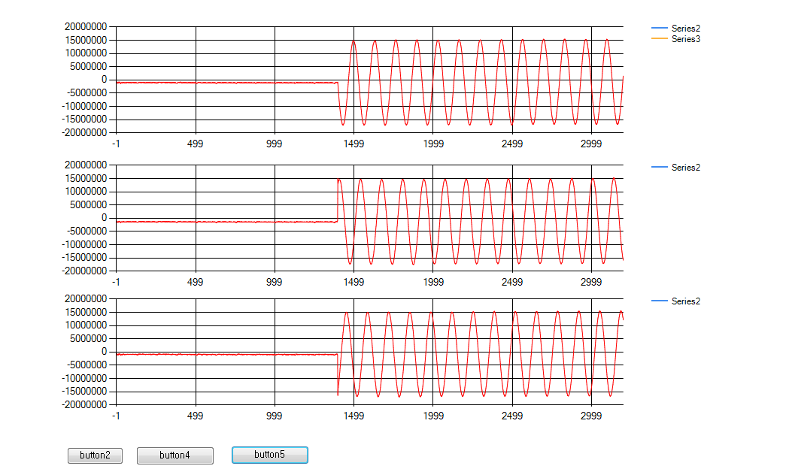

SAG_Cap000.bin | 전원인가

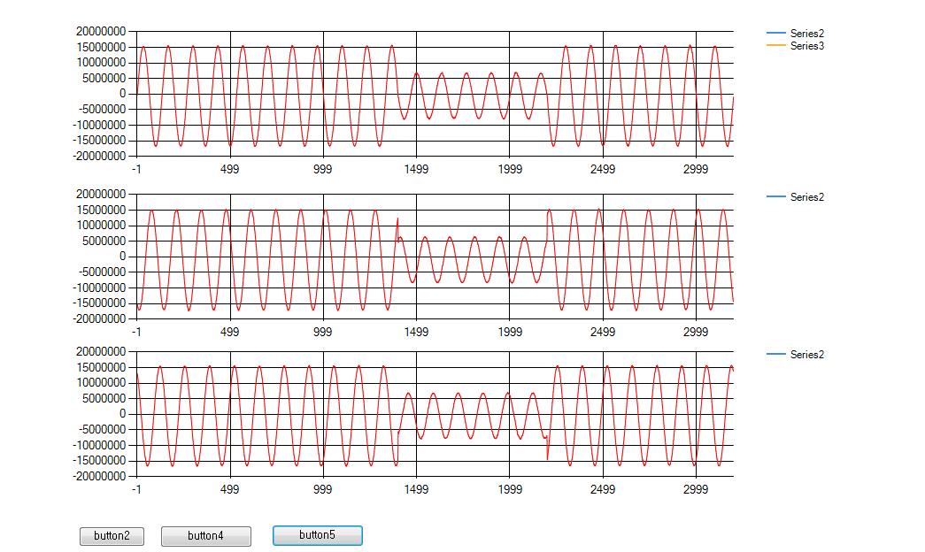

SAG_Cap002.bin | Sag 발생
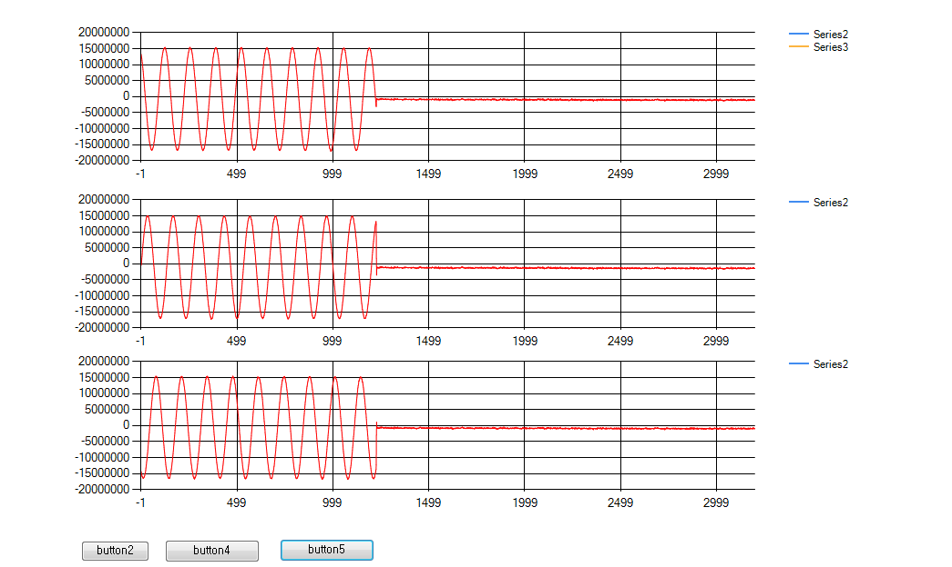

SAG_Cap004.bin | Sag 발생(전원차단)

Recorder
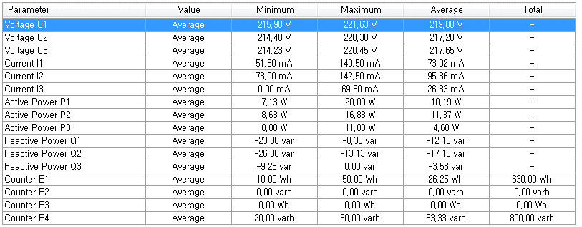
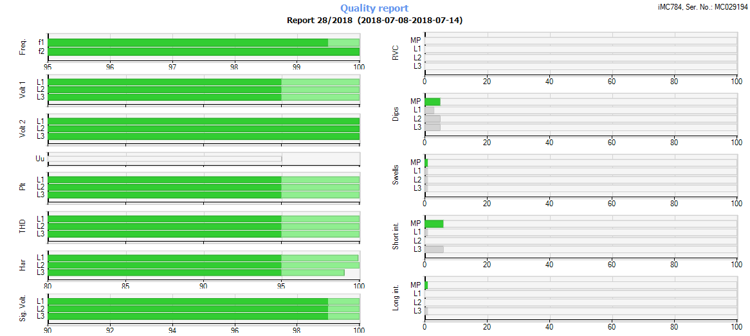
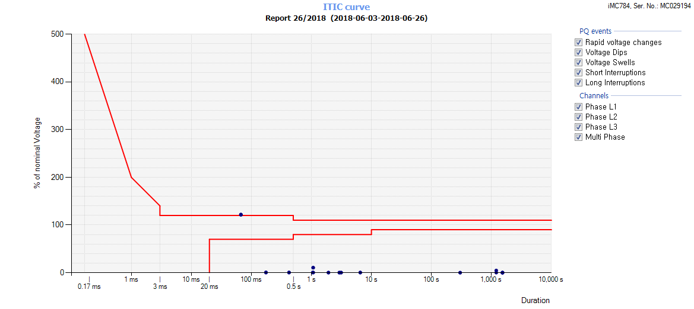
Trend Recorder Group

interval | 10 min | 1min
data | U1 | U1
 | U2 | U2
 | U3 | U3
 | I1 | I1
 | I2 | I2
 | I3 | I3
 | P1 | P1
 | P2 | P2
 | P3 | P3
 | Q1 | Q1
 | Q2 | Q2
 | Q3 | Q3
 | E1 | Freq
 | E2 | Temp
 | E3
 | E4

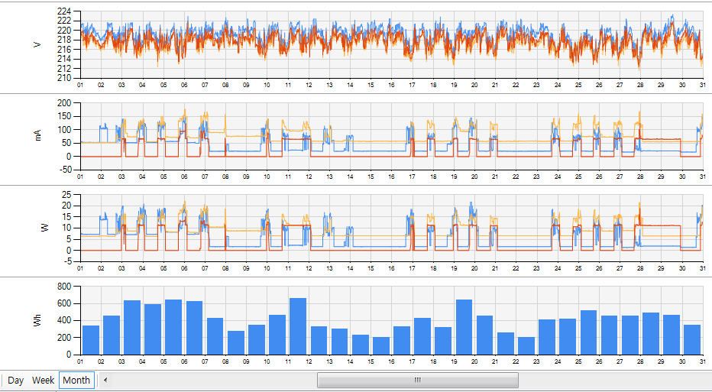
statistic | Day
 | Week
 | Month

pqlog 파일
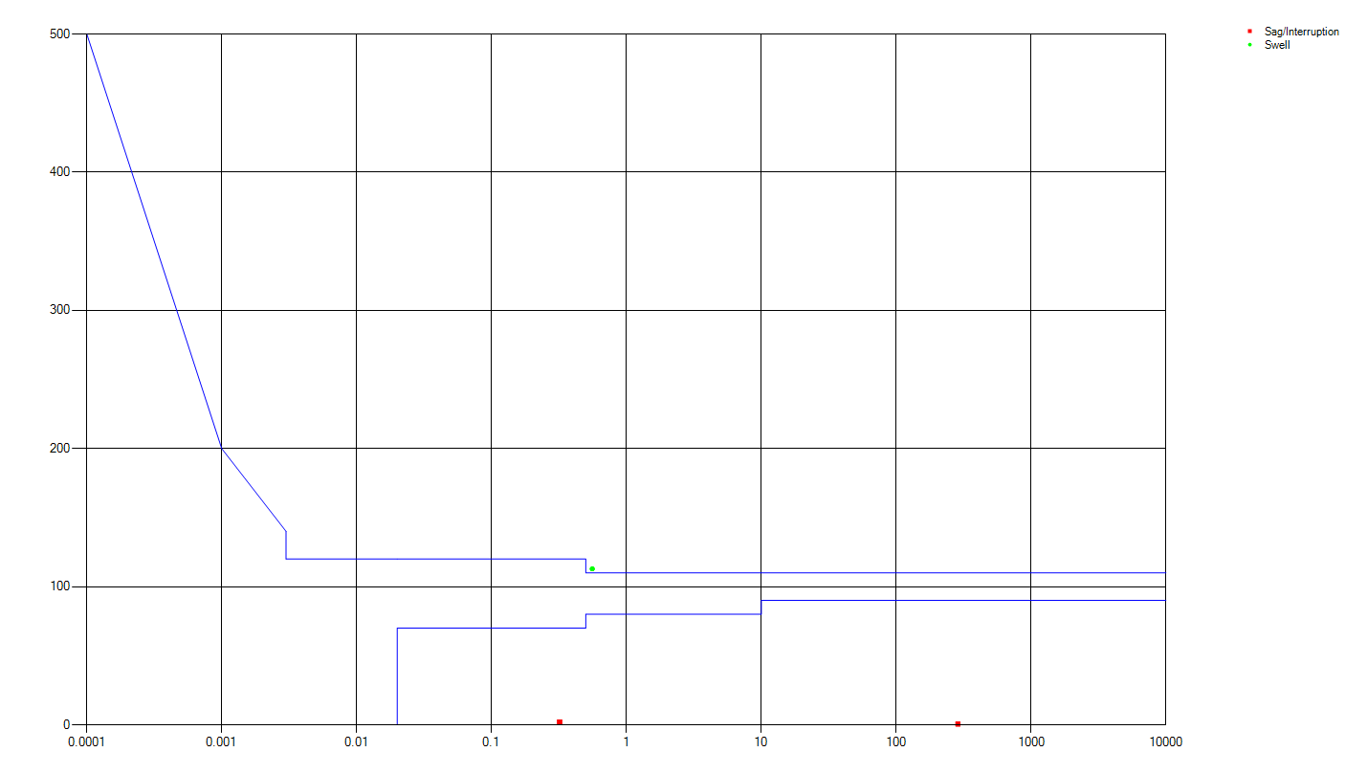
1. 전력품질 로그 파일
1) 파일위치 : PQ_LOG
2) 파일명 : QL1_YYYYMMDD.d
3) 파일 생성 주기 : 1주 (매주 일요일 자정 부터 시작, 다음 주 일요일 자정에 완료)
4) 파일 크기 : 768 x (6 * 24 * 7) = 777144
10분 로그데이터 형식
offset | items | data type | data type size | # of elements
0 | startTs | U32 | 4 | 1 | 로그 시작 시간
4 | endTs | U32 | 4 | 1 | 로그 완료 시간
8 | count10s | U32 | 4 | 1 | 주파수 데이터 개수
12 | Ts10s | U16 | 2 | 60 | 주파수 데이터 Time Stamp(TS - startTs)
132 | frequency | Float | 4 | 60 | 주파수
372 | U | Float | 4 | 3 | 전압
384 | Uthd | Float | 4 | 3 | 총고조파 왜곡률
396 | Ubal | Float | 4 | 2 | 불평형률
404 | Uhd | Float | 4 | 72 | 고조파(2 ~ 25th)
692 | Pst | Float | 4 | 3
704 | Plt | Float | 4 | 3
716 | SigVolt | Float | 4 | 3
728 | sag | U16 | 2 | 4
736 | swell | U16 | 2 | 4
744 | shortIntr | U16 | 2 | 4
752 | longIntr | U16 | 2 | 4
760 | rvc | U16 | 2 | 4
768

2. 전력품질 주간 보고서
1) 파일위치 : PQ_Report
2) 파일명 : QW1_YYYYMMDD.d
3) 파일생성 주기 : 1주
4) 파일크기 : 300 + 이벤트카운트 x 26(이벤트레코드)
주간 전력품질보고서
offset | items | data type | data type size | # of elements
0 | startTs | U32 | 4 | 1
4 | endTs | U32 | 4 | 1
8 | complete | U32 | 4 | 1 | 0: Not Complete, 1: complete
12 | compliance | U32 | 4 | 1 | bit 0: Freq Var1 bit 1: Freq Var2 bit 2: Volt Var1 L1 bit 3: Volt Var1 L2 bit 4: Volt Var1 L3 bit 5: Volt Var2 L1 bit 6: Volt Var2 L2 bit 7: Volt Var2 L3 bit 8: Unbalance bit 9: Volt THD L1 bit 10: Volt THD L2 bit 11: Volt THD L3 bit 12: Volt HD L1 bit 13: Volt HD L2 bit 14: Volt HD L3 bit 15: Pst L1 bit 16: Pst L2 bit 17: Pst L3 bit 18: Plt L1 bit 19: Plt L2 bit 20: Plt L3 bit 21: SigVolt L1 bit 22: SigVolt L2 bit 23: SigVolt L3 [status] 0: OK 1: failed
16 | count10s | U32 | 4 | 1
20 | count10m | U32 | 4 | 1 | 10m 데이터 개수
24 | sag | U32 | 4 | 4 | sag 발생 횟수
40 | swell | U32 | 4 | 4 | swell 발생 횟수
56 | shortIntr | U32 | 4 | 4 | short interruption 발생 횟수
72 | longIntr | U32 | 4 | 4 | long interruption 발생 횟수
88 | RVC | U32 | 4 | 4 | rapid volt. Change 발생 횟수
104 | Freq Var1 | QVAR | 8 | 1 | 주파수 변동률 1
112 | Freq Var2 | QVAR | 8 | 1 | 주파수 변동률 2
120 | Volt. Var 1 | QVAR | 8 | 3 | 전압 변동률 1
144 | Volt. Var 2 | QVAR | 8 | 3 | 전압 변동률 1
168 | Volt. Unbalance | QVAR | 8 | 1 | 불평형률 변동률 1
176 | Volt. THD | QVAR | 8 | 3 | 총고조파 함유율 변동률
200 | Volt. HD | QVAR | 8 | 3 | 차수별 고조파 변동률
224 | Pst | QVAR | 8 | 3 | 미사용
248 | Plt | QVAR | 8 | 3 | 미사용
272 | SigVolt | QVAR | 8 | 3 | 미사용
296 | event Count | U32 | 4 | 1 | 이벤트 로그 카운트

Event Log
300 | Start Time | U32 | 4 | 1
304 | msec | U16 | 2 | 1
306 | duration | U16 | 2 | 1
308 | type | U16 | 2 | 1
310 | mask | U16 | 4 | 1
314 | level[0] | float | 4 | 1
318 | level[1] | float | 4 | 1
322 | level[2] | float | 4 | 1
326 | Event Log 2nd |  | 32 | 1
358 | Event Log 3rd |  | 32 | 1
390 | Event Log 4th |  | 32 | 1
422 | Event Log 5th |  | 32 | 1
454 | Event Log 6th |  | 32 | 1
486 | Event Log 7th |  | 32 | 1
518 | Event Log 8th |  | 32 | 1

QVAR
offset | items | data type | data type size | # of elements
0 | Error Count | U32 | 4 | 1 | 오류 발생 횟수
4 | Variation | Float | 4 | 1 | 변동율

3. PQ로그 및 이벤트 파일 명명 규칙
파일명 생성 규칙
 |  | prefix | version | 년월일
 | 로그데이터파일 | QL | 1 | 2019-05-05 | QL1_20190505.d
 | 주간보고서파일 | QW | 1 | 2019-05-05 | QW1_20190505.d

4. Sag/Swell 발생시 캡춰 파일
1) 파일 위치 : PQ_Trigger/
2) Wave Capture 파일명 - Sag : WSAG_YYYYMMDDThhmmSS_sss.d (YYYY:year, MM: month, DD:day, hh:hour, mm:minute, SS:second, sss: milli second) - Swell : WSWL_YYYYMMDDThhmmSS_sss.d
3) wave capture 파일 layout (8ksps)
Wave Capture
offset | items | data type | data type size | # of elements
0 | startTs | U64 | 8 | 1 | 이벤트 발생 시간
8 | scale | Float | 4 | 1 | scale factor
12 | pos | U16 | 4 | 1 | 이벤트 발생위치
16 | mask | U16 | 2 | 1 | 이벤트 발생 phase(bit mask)
18 | sampleRate | U16 | 4 | 1 | sampling 주파수
22 | reserved | U16 | 4 | 1
26 | U1 | S32 | 4 | 3200 | L1 전압 sample
12826 | U2 | S32 | 4 | 3200 | L2 전압 sample
25626 | U3 | S32 | 4 | 3200 | L3 전압 sample
38426

4) RMS Capture 파일명 - Sag : DSAG_YYYYMMDDThhmmSS_sss.d (YYYY:year, MM: month, DD:day, hh:hour, mm:minute, SS:second, sss: milli second) - Swell : DSWL_YYYYMMDDThhmmSS_sss.d
5) RMS capture File layout
RMS Capture
offset | items | data type | data type size | # of elements
0 | startTs | U64 | 8 | 1 | 이벤트 발생 시간
8 | pos | U16 | 2 | 1 | 이벤트 발생위치
10 | mask | U16 | 2 | 1 | 이벤트 발생 phase(bit mask)
12 | reserved | U16 | 2 | 1
14 | reserved | U16 | 2 | 1
16 | U1 | float | 4 | 1200 | L1 전압 RMS
4816 | U2 | float | 4 | 1200 | L2 전압 RMS
9616 | U3 | float | 4 | 1200 | L3 전압 RMS
14416

5. Transient Voltage 발생시 캡춰 파일
1) 파일 위치 : PQ_Transient/
2) Wave Capture 파일명 - WTV_YYYYMMDDThhmmSS_sss.d (YYYY:year, MM: month, DD:day, hh:hour, mm:minute, SS:second, sss: milli second)
3) wave capture 파일 layout (32ksps)
Wave Capture
offset | items | data type | data type size | # of elements
0 | startTs | U64 | 8 | 1 | 이벤트 발생 시간
8 | scale | Float | 4 | 1 | scale factor
12 | pos | U16 | 4 | 1 | 이벤트 발생위치
16 | mask | U16 | 2 | 1 | 이벤트 발생 phase(bit mask)
18 | sampleRate | U16 | 4 | 1 | sampling 주파수
22 | reserved | U16 | 4 | 1
26 | U1 | S32 | 4 | 3200 | L1 전압 sample
12826 | U2 | S32 | 4 | 3200 | L2 전압 sample
25626 | U3 | S32 | 4 | 3200 | L3 전압 sample
38426

1. PQ 로그 파일 : ql1_20200503.d
1) 주파수
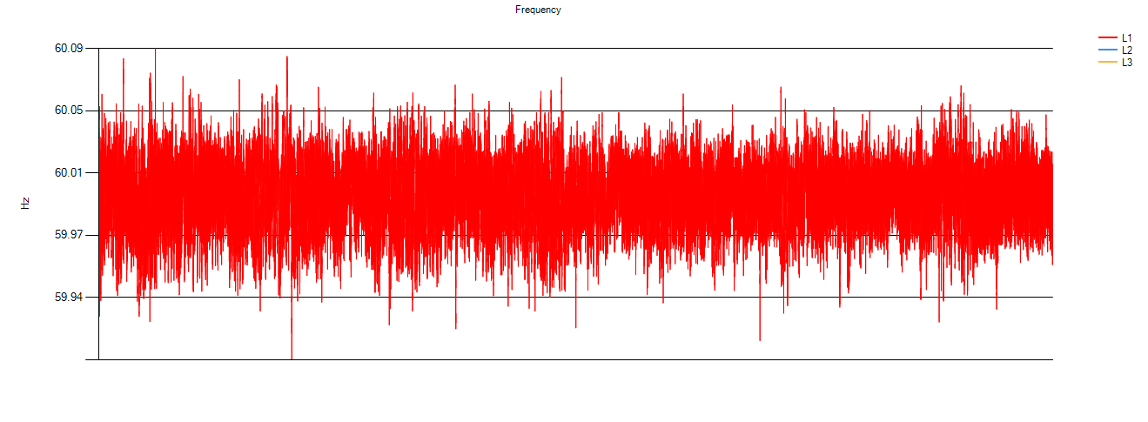

2) Voltage
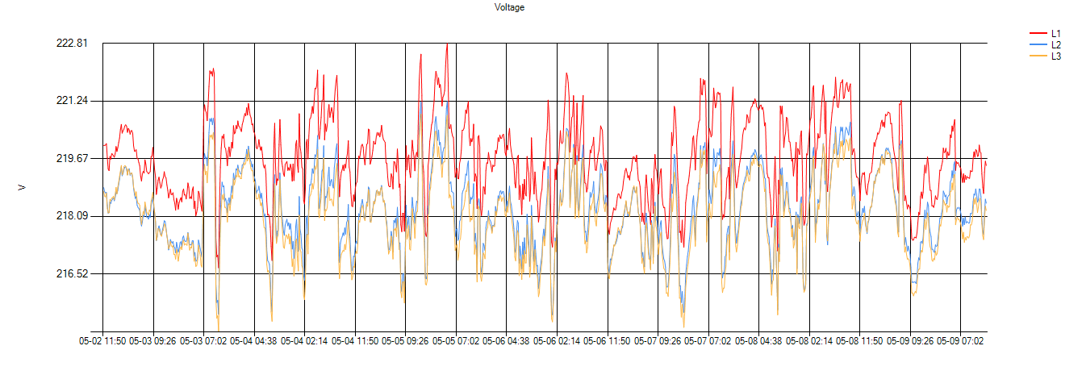

3) 불평형률
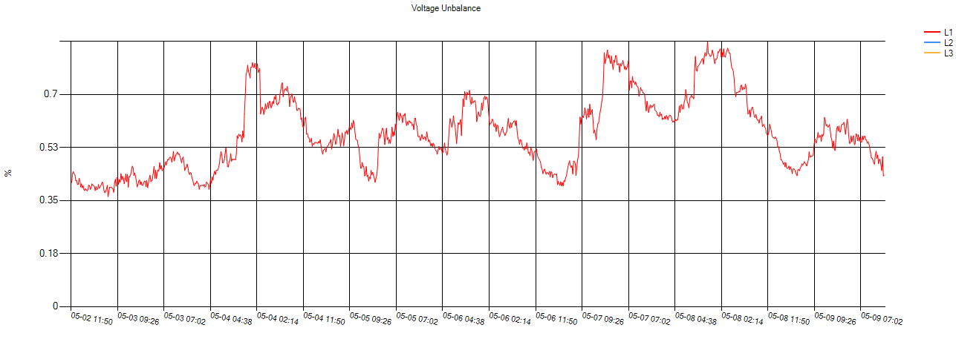

4)총고조파 함유율
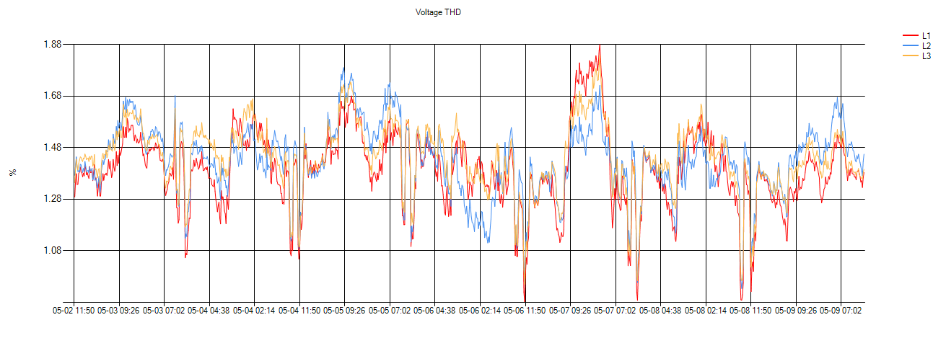

2. PQ 리포트 파일 : qw1_20200503.d
1) 주간보고서
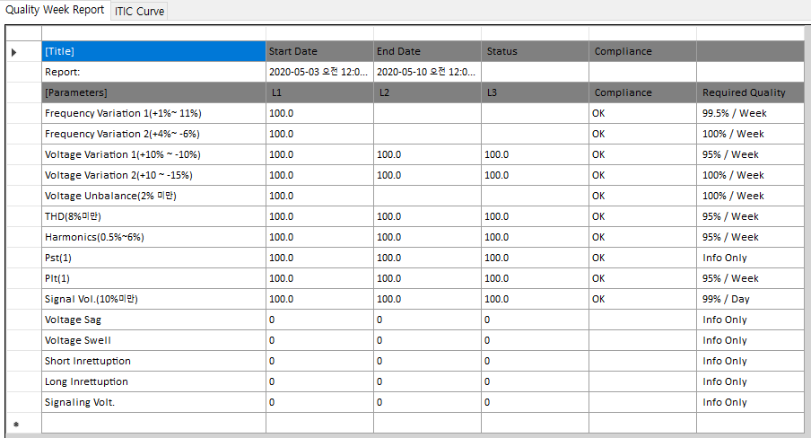

File Name : qw1_20190908.d
3. PQ 리포트 파일 : qw1_20190908.d
1) ITIC Curve

Task List
 | Name | priority | Description
1 | Init | 1 | 시스템 초기화, task 생성
2 | timer_task | 9 | tcp timer task
3 | GUI_task | 3 | emWin 구동
4 | KEY_task | 4 | Touch & Button 구동 1) I2C Bus 통해 TSC와 통신한다
5 | Shell_task | 1 | command shell 구동
6 | SMB_task/MMB_task | 2 | Master/Salve Modbus RTU
7 | FFT_task | 1 | 1) U, Upp, I 에 대해 FFT 연산 2) THD, 각 차수별 크기 구한다 3) sample 크기는 1600이며, 해상도는 5Hz 이다 4) sample 수가 2의 지수승이 아니기 때문에 Chirp Z-Transform을 사용한다
8 | Wave_task | 4 | Master0_task에 의해 200ms 마다 실행 1) wave 데이터 변환, 32ksps to 8ksps, modbus wave, mmi wave 생성 2) transient event 검출 3) fft data(8ksps, 1600 sample) 준비 4) sag/swell 이벤트 전후로 wave capture
9 | RMSLog_task | 5 | 1) sag/swell 이벤트 발생시, 이벤트 전후로 V,I RMS 데이터 capture 한다 2) Meter0_task에서 Half cycle 주기로 Fast RMS 데이터 읽은 후 RMSLog_task를 깨운다
10 | PostScan_task | 7 | Meter0_task가 수집한 ADE9000 metering 정보를 가공하여 다음과 같은 정보 생성 1) 1012 rms 데이터 이용하여 1초 평균 전압, 전류 데이터 생성 2) 주파수, 전압전류 위상 데이터 취득 3) squence componet 계산 4) 전압,전류 불평형률 계산 5) under/over deviation 계산
11 | Energy_task | 7 | Meter0_task가 수집한 ADE9000 metering 정보를 가공하여 다음과 같은 정보 생성 1) 에너지 register를 가공하여 누적, 현월, 전월 전력량계산 2) demand 계산 3) Energy Register 저장(I2C 사용) | 에너지 저장 중 오류 발생하면 우선순위 낮은 태스크 정지된다
12 | Meter0_task |  | 1) ADE9000 chip 초기화, Calibration 처리 2) 4ms 간격으로 wave regiser를 읽는다 3) sag/swell 이벤트 검출 및 전처리
13 | FS_task |  | 1) SD Card에 데이터를 쓰게 되면 많은 시간이 소요되며 해당 태스크는 정해진 시간내에 데이터를 쓰지 못해 다음 주기에 발생되는 데이터를 처리하지 못한다. 2) SD Card에 데이터를 기록하려는 태스크는 데이터를 메모리에 쓰고 FS_task에 통보하면, FS_task가 데이터를 SD Card에 쓴다
14
15
16
17
18
19
20

QualLog

PostScan
FRAM

chkSagSwell(8ms)
FFT
Energy
wave data

Meter
Wave
200ms
wave capture data

FsQ
RMSlog
FS
disturbance data

pushEvent

Trend

IOM

GUI

timer

SMB

Phase Angle
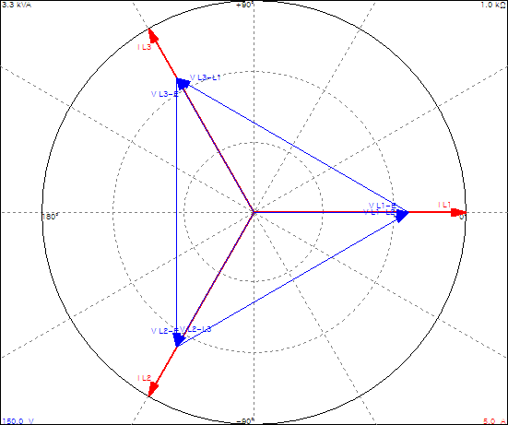
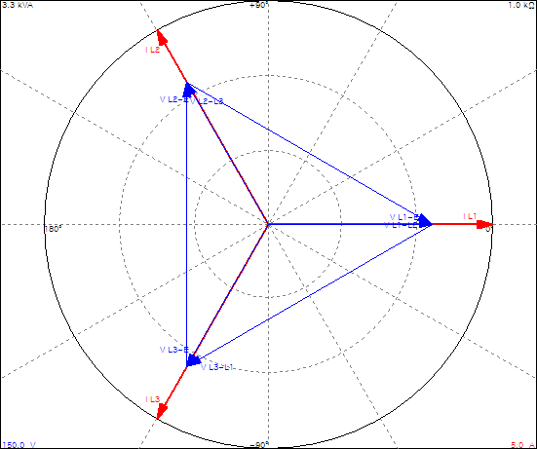

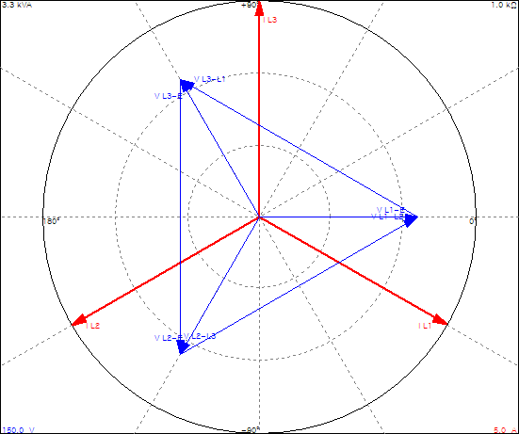
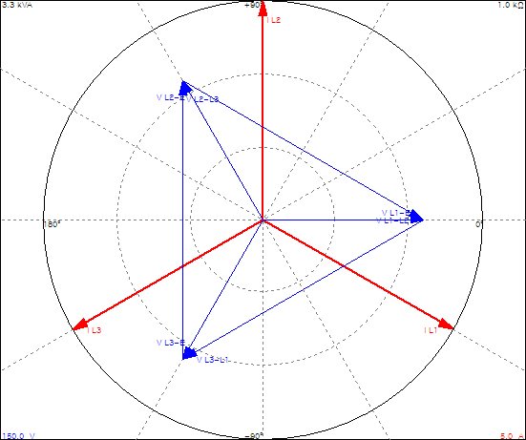

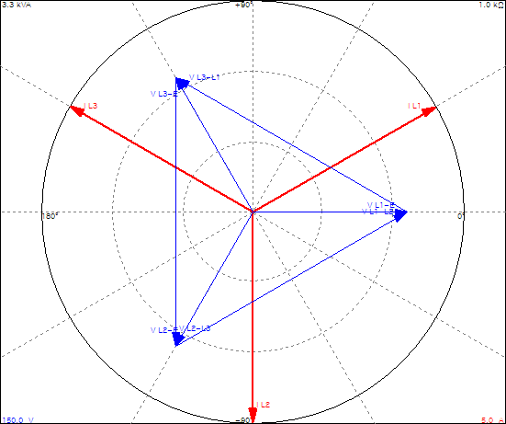
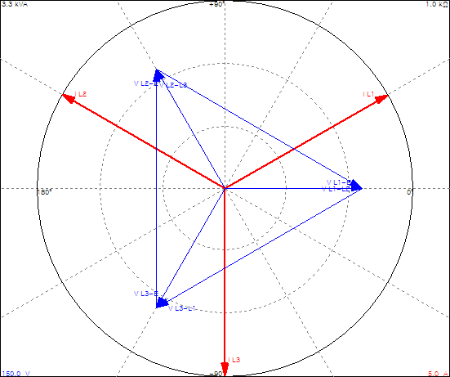

Angle | Real
U12 | 120
U23 | 300
U13 | 60
U1I1 | 330
U2I2 | 90
U3I3 | 30
I12 | 240
I23 | 300
I13 | 120
U11 | 0
U12 | 240
U13 | 120
U1I1 | 330
U1I2 | 210
U1I3 | 90

